COVER
2024
Municipal Valuation Return
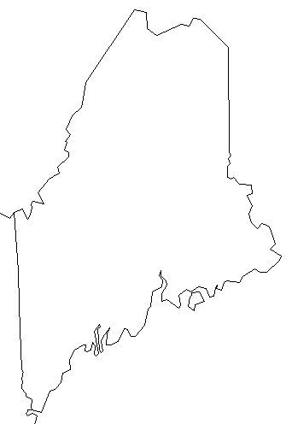

DUE DATE - NOVEMBER 1, 2024 (or within 30 days of commitment, whichever is later)

Mail the signed original to Maine Revenue Services, Property Tax Division,
PO Box 9106, Augusta, ME 04332-9106 and affix copy to front cover of Municipal Valuation book.
You may also file this return online using the Maine Tax Portal at: https://revenue.maine.gov.

For help in filling out this return, please see the MVR Instructions at www.maine.gov/revenue/taxes/property-tax/assessor

