A Residential Service
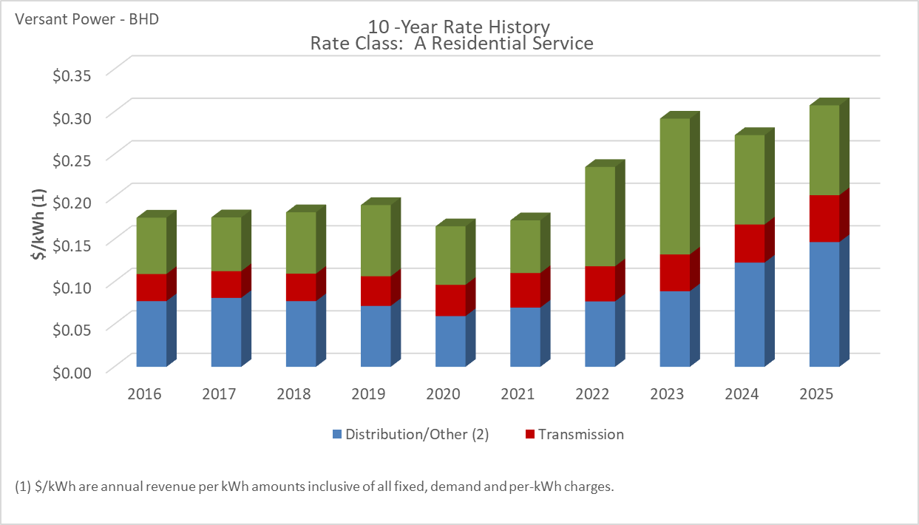

Distribution/Other rates increased 89.81% from $0.07732 to $0.14675 between 2016 and 2025.
Transmission rates increased 72.92% from $0.03191 to $0.05518 between 2016 and 2025.
Standard offer rates increased 59.46% from $0.06624 to $0.10563 between 2016 and 2025.

Note: Source data Provided by utility in Docket No. 2019-00186

A-2 Residential Water Heat
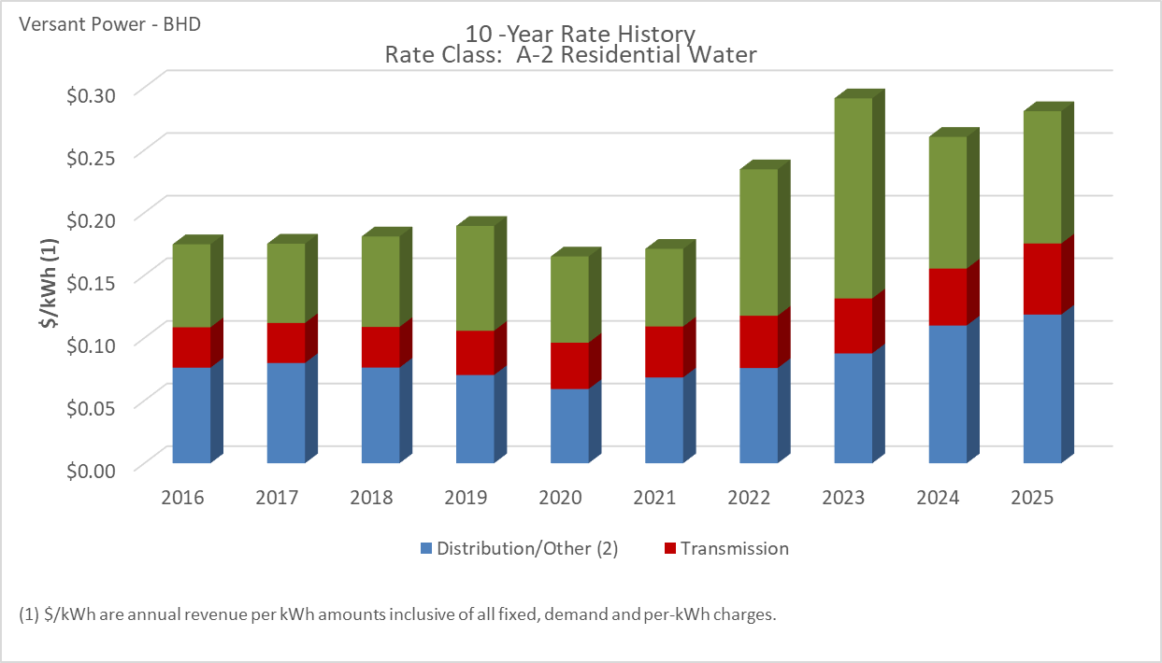

Distribution/Other rates increased 55.56% from $0.07632 to $0.11873 between 2016 and 2025.
Transmission rates increased 75.91% from $0.03225 to $0.05673 between 2016 and 2025.
Standard offer rates increased 59.46% from $0.06624 to $0.10563 between 2016 and 2025.

Note: Source data Provided by utility in Docket No. 2019-00186

A-4 - Home Eco Rate Time-of-use
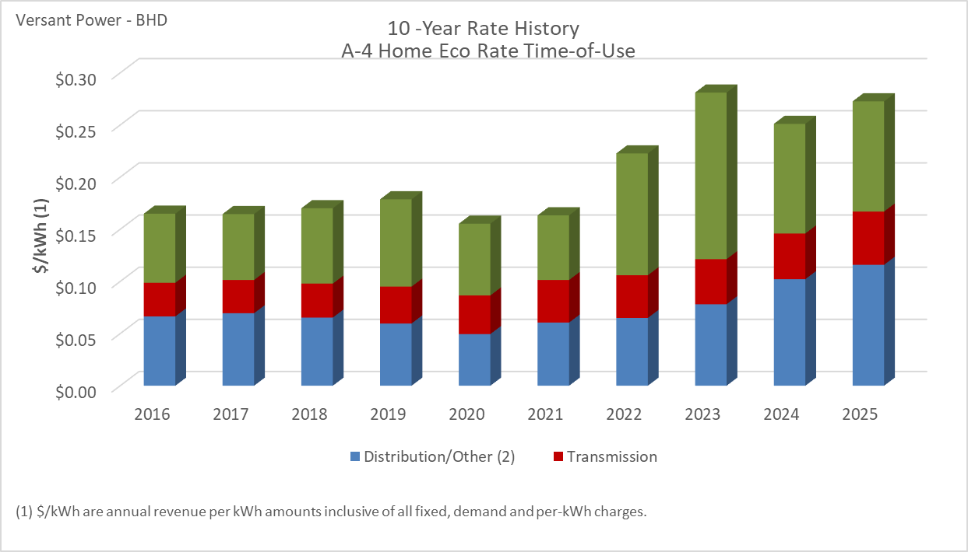

Distribution/Other rates increased 74.50% from $0.06645 to $0.11596 between 2016 and 2025.
Transmission rates increased 58.24% from $0.03228 to $0.05109 between 2016 and 2025.
Standard offer rates increased 59.46% from $0.06624 to $0.10563 between 2016 and 2025.

Note: Source data Provided by utility in Docket No. 2019-00186

A-1 - Residential Electric Ther
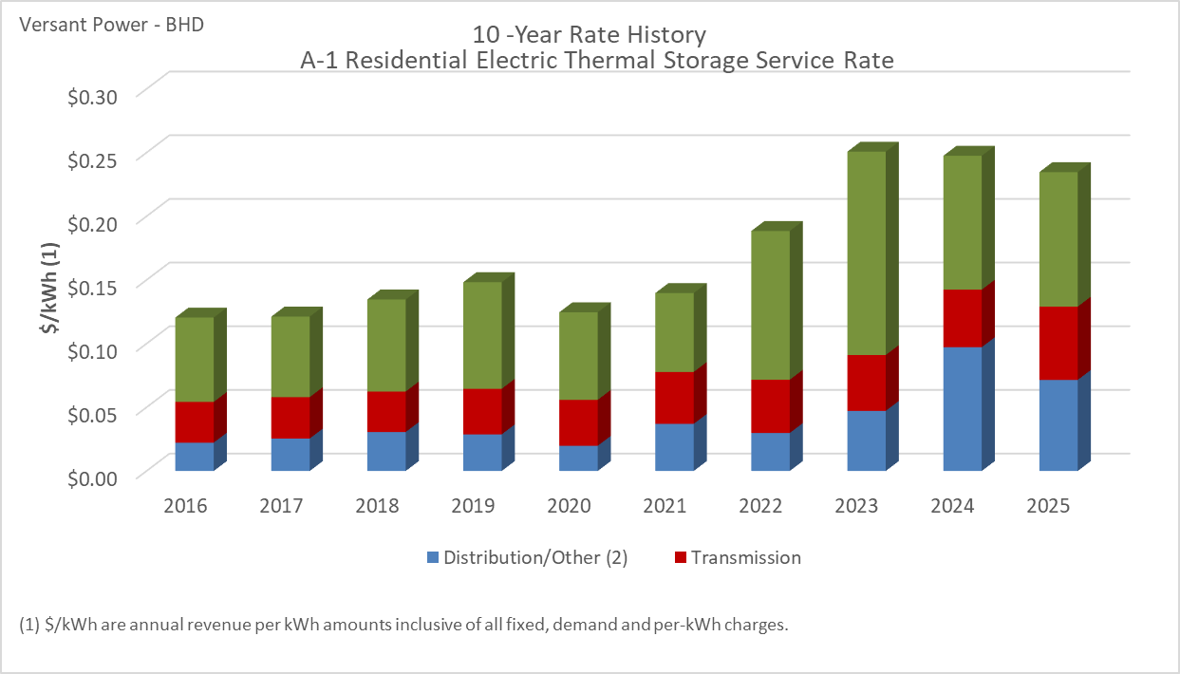

Distribution/Other rates increased 221.32% from $0.02225 to $0.07150 between 2016 and 2025.
Transmission rates increased 79.98% from $0.03198 to $0.05756 between 2016 and 2025.
Standard offer rates increased 59.46% from $0.06624 to $0.10563 between 2016 and 2025.

Note: Source data Provided by utility in Docket No. 2019-00186

A-20 - Home Heating Eco Rate
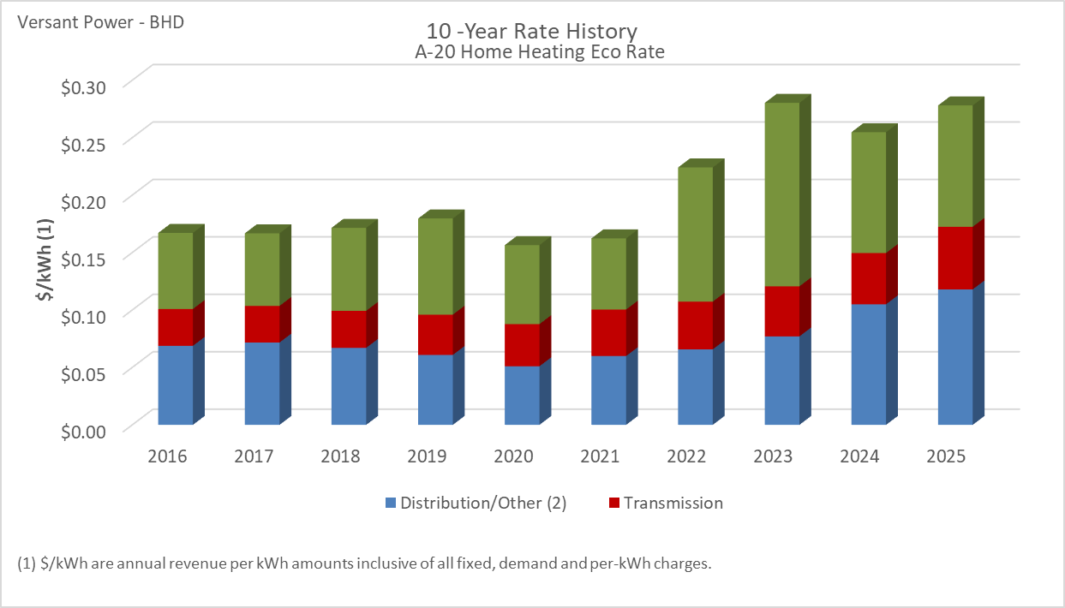

Distribution/Other rates increased 71.42% from $0.06878 to $0.11791 between 2016 and 2025.
Transmission rates increased 69.90% from $0.03208 to $0.05450 between 2016 and 2025.
Standard offer rates increased 59.46% from $0.06624 to $0.10563 between 2016 and 2025.

Note: Source data Provided by utility in Docket No. 2019-00186

B-1 - Business Eco Rate
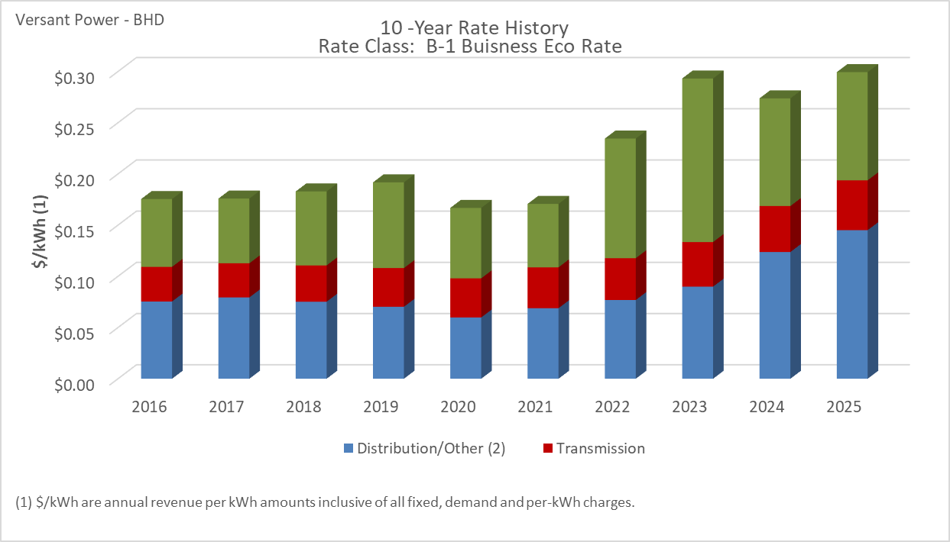

Distribution/Other rates increased 92.30% from $0.07544 to $0.14506 between 2016 and 2025.
Transmission rates increased 43.97% from $0.03383 to $0.04871 between 2016 and 2025.
Standard offer rates increased 59.46% from $0.06624 to $0.10563 between 2016 and 2025.

Note: Source data Provided by utility in Docket No. 2019-00186
Note: **B-5 Business Eco Rate - Separate Meter became available on June 1, 2023.

B-2 - Business Heating Eco Rate
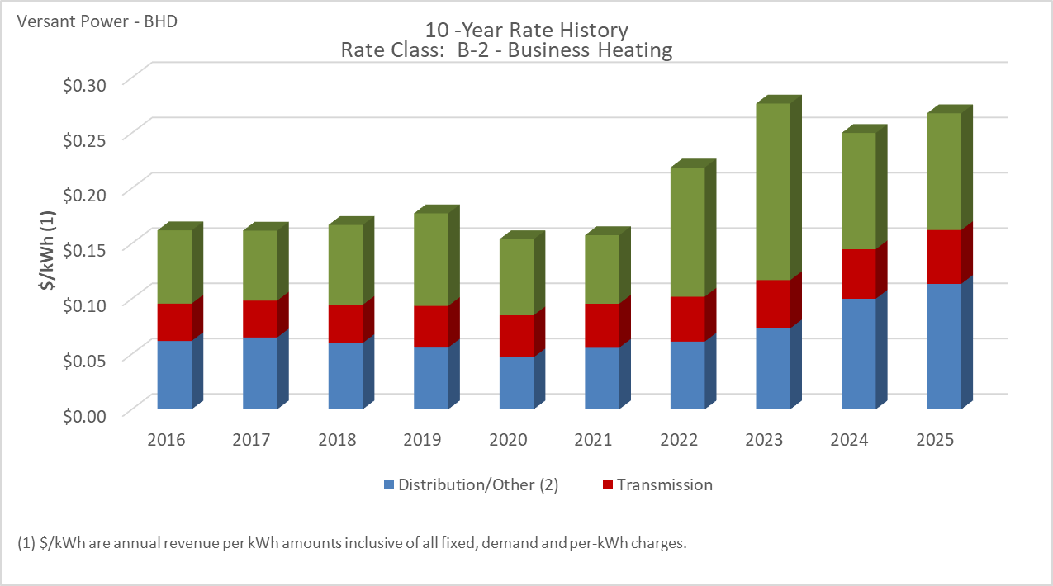

Distribution/Other rates increased 83.56% from $0.06184 to $0.11351 between 2016 and 2025.
Transmission rates increased 43.88% from $0.03383 to $0.04868 between 2016 and 2025.
Standard offer rates increased 59.46% from $0.06624 to $0.10563 between 2016 and 2025.

Note: Source data Provided by utility in Docket No. 2019-00186

B-3 - Business Heating Eco Rate
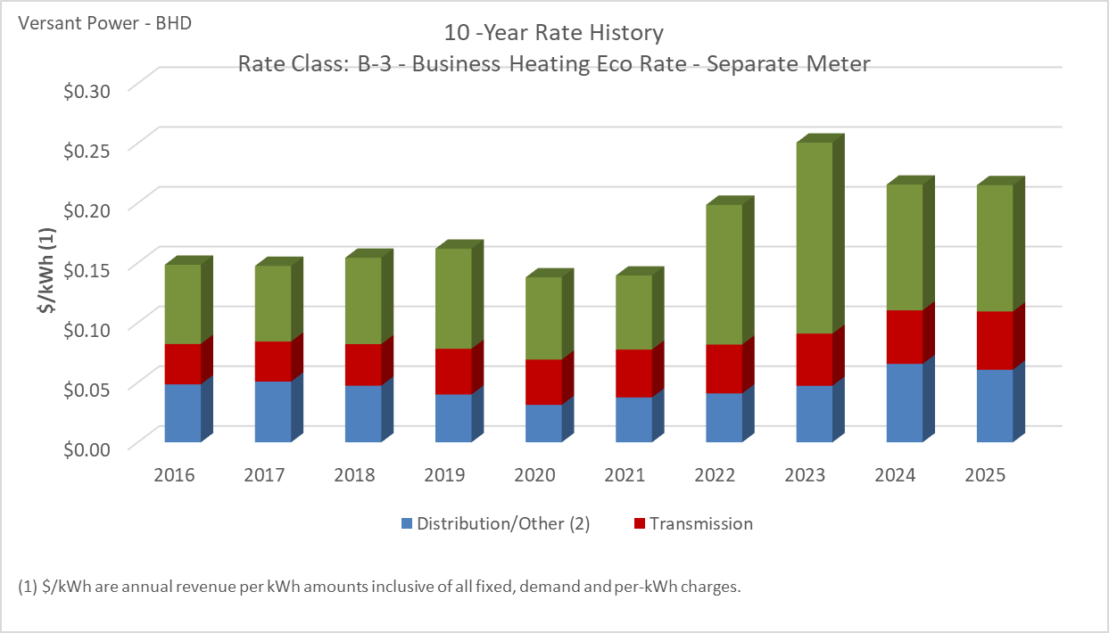

Distribution/Other rates increased 25.36% from $0.04844 to $0.06072 between 2016 and 2025.
Transmission rates increased 43.87% from $0.03382 to $0.04866 between 2016 and 2025.
Standard offer rates increased 59.46% from $0.06624 to $0.10563 between 2016 and 2025.

Note: Source data Provided by utility in Docket No. 2019-00186

 | #DIV/0!

B-4 Commercial Water Heating
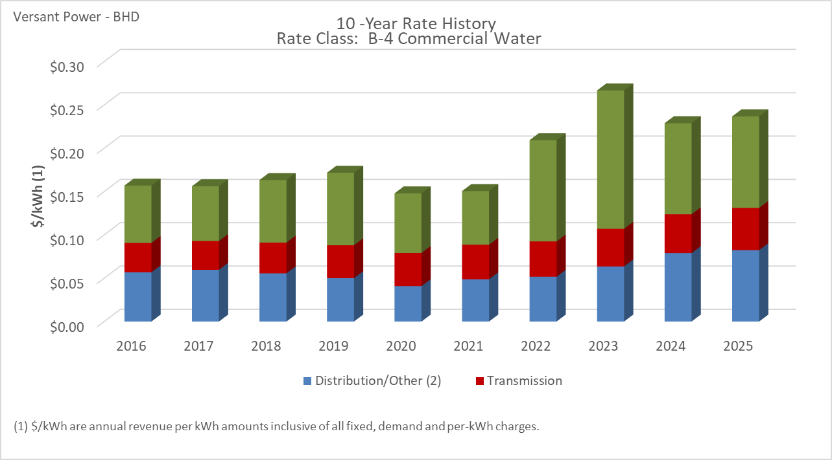

Distribution/Other rates increased 44.96% from $0.05682 to $0.08236 between 2016 and 2025.
Transmission rates increased 43.98% from $0.03385 to $0.04874 between 2016 and 2025.
Standard offer rates increased 59.46% from $0.06624 to $0.10563 between 2016 and 2025.

Note: Source data Provided by utility in Docket No. 2019-00186

B-5 - Business Eco Rate - SM
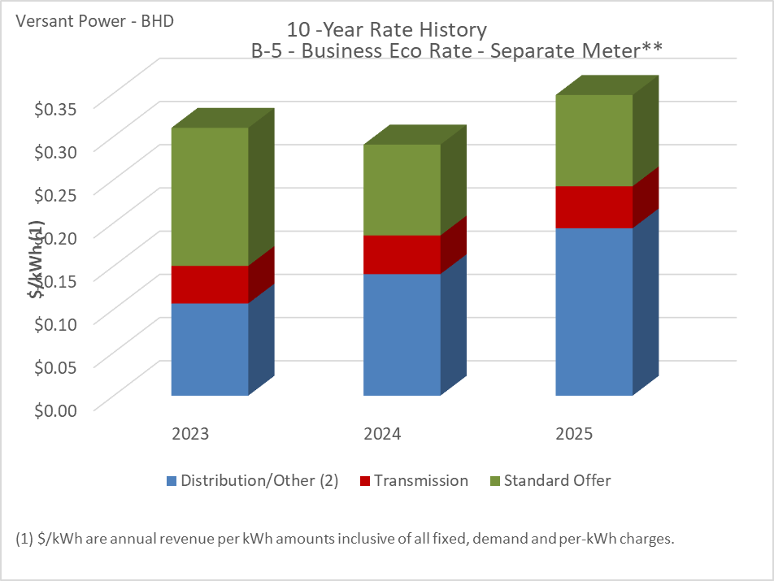

Distribution/Other rates increased 81.60% from $0.10665 to $0.19367 between 2023 and 2025.
Transmission rates increased 11.75% from $0.04352 to $0.04863 between 2023 and 2025.
Standard offer rates increased 0.47% from $0.10513 to $0.10563 between 2023 and 2025.

Note: Source data Provided by utility in Docket No. 2019-00186
Note 2: Rate B-5 was included in VP's 3/27/2023 compliance filing and the order approving rates was filed on 4/4/2023 with an effective date of June 1 2023 in Docket No. 2021-00325

M-2 Medium Power Secondary
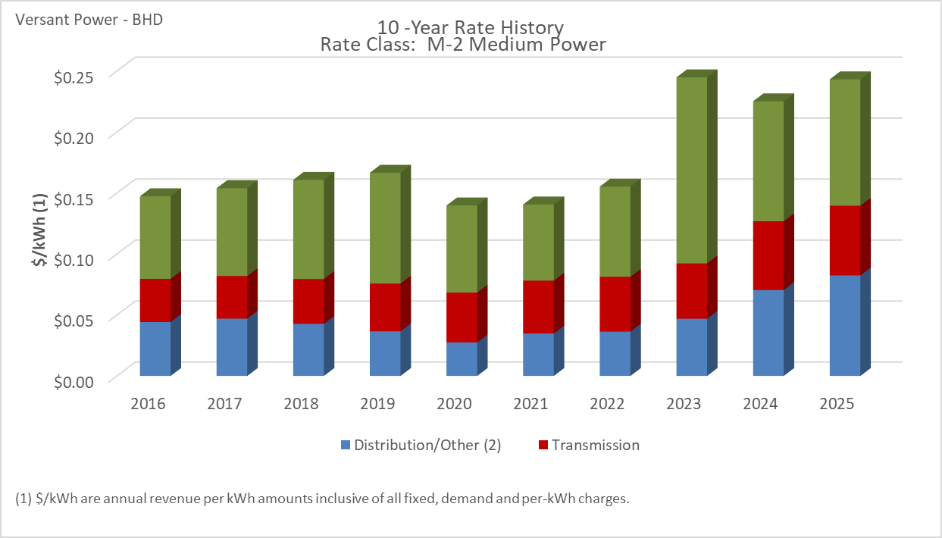

Distribution/Other rates increased 86.42% from $0.04421 to $0.08242 between 2016 and 2025.
Transmission rates increased 61.46% from $0.03537 to $0.05712 between 2016 and 2025.
Standard offer rates increased 53.02% from $0.06772 to $0.10363 between 2016 and 2025.

Note: Source data Provided by utility in Docket No. 2019-00186

D-4 Primary Power
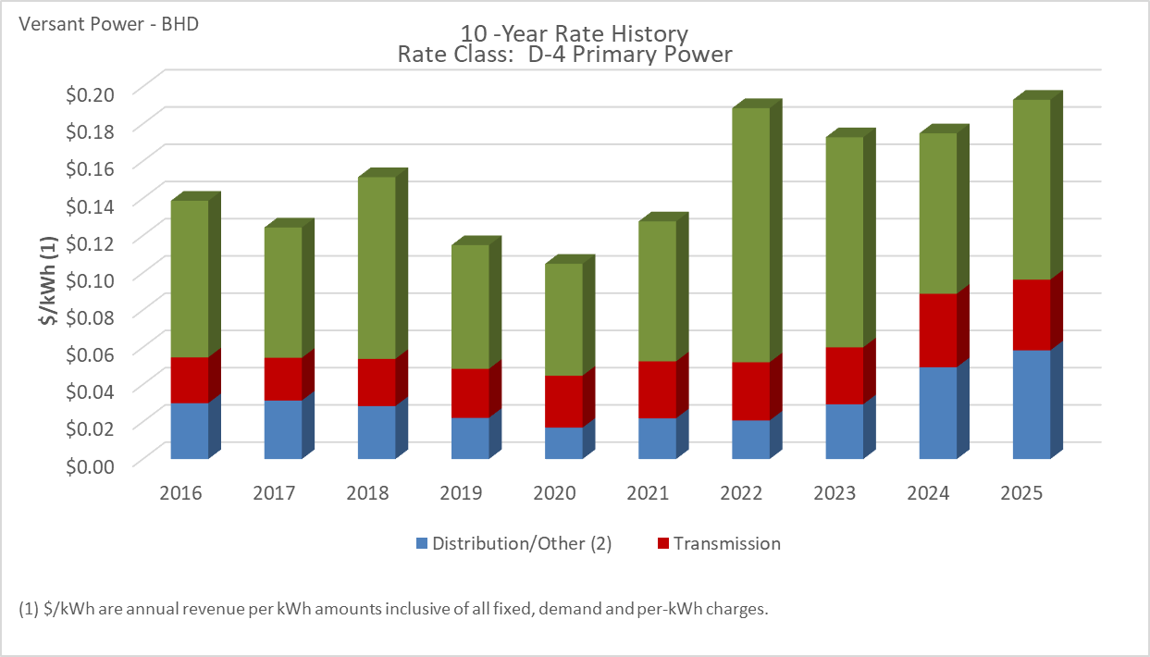

Distribution/Other rates increased 94.31% from $0.03005 to $0.05839 between 2016 and 2025.
Transmission rates increased 54.44% from $0.02460 to $0.03799 between 2016 and 2025.
Standard offer rates increased 14.86% from $0.08408 to $0.09657 between 2016 and 2025.

Note: Source data Provided by utility in Docket No. 2019-00186

M-1 Medium Power Primary
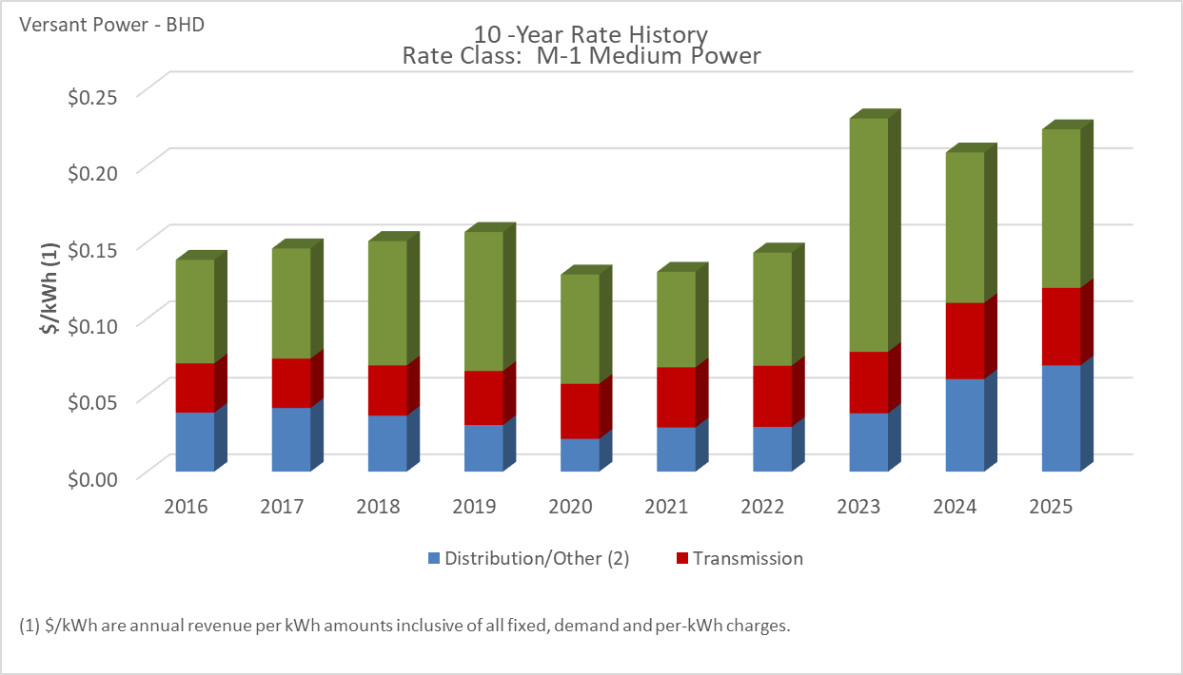

Distribution/Other rates increased 79.95% from $0.03858 to $0.06943 between 2016 and 2025.
Transmission rates increased 57.48% from $0.03214 to $0.05062 between 2016 and 2025.
Standard offer rates increased 53.02% from $0.06772 to $0.10363 between 2016 and 2025.

Note: Source data Provided by utility in Docket No. 2019-00186

T-1 Transmission
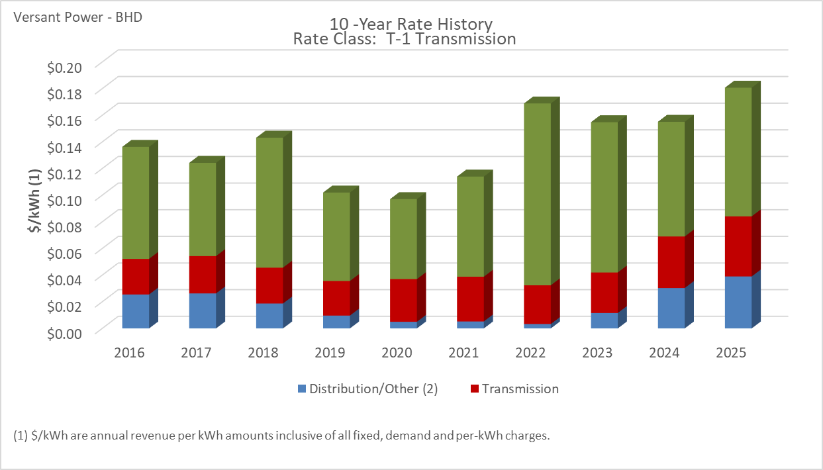

Distribution/Other rates increased 53.09% from $0.02548 to $0.03901 between 2016 and 2025.
Transmission rates increased 68.75% from $0.02675 to $0.04513 between 2016 and 2025.
Standard offer rates increased 14.86% from $0.08408 to $0.09657 between 2016 and 2025.

Note: Source data Provided by utility in Docket No. 2019-00186

G-1 Street Lighting
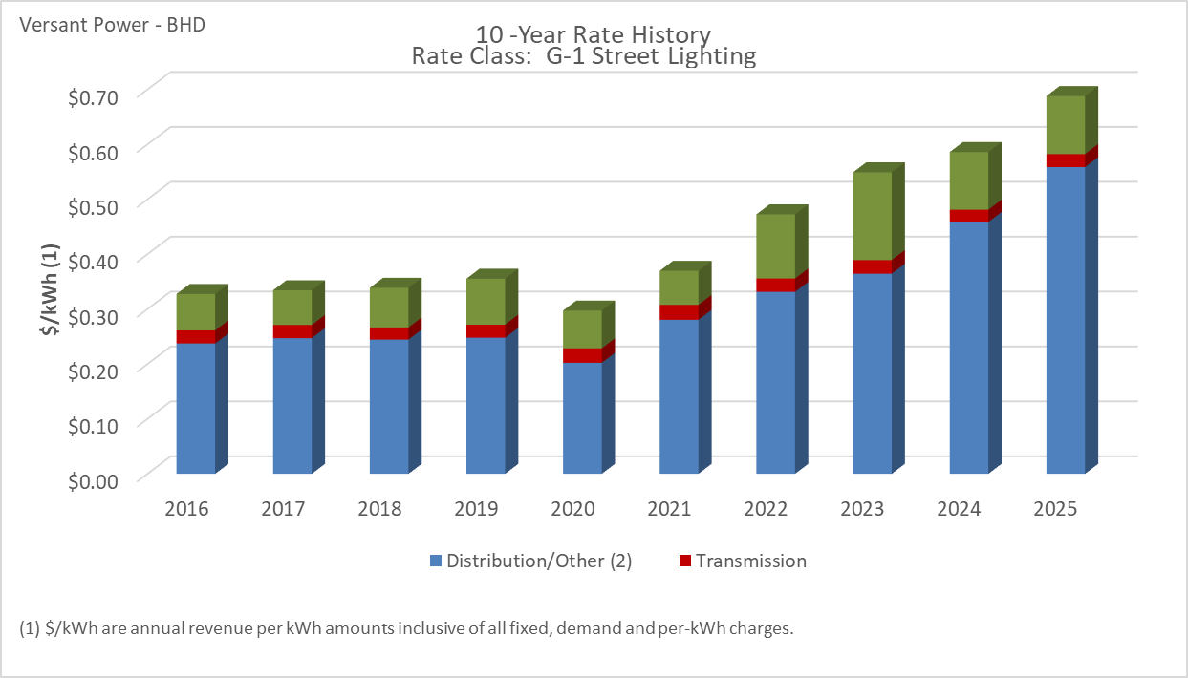

Distribution/Other rates increased 135.32% from $0.23739 to $0.55863 between 2016 and 2025.
Transmission rates decreased 0.29% from $0.02380 to $0.02373 between 2016 and 2025.
Standard offer rates increased 59.46% from $0.06624 to $0.10563 between 2016 and 2025.

Note: Source data Provided by utility in Docket No. 2019-00186

G-3 Municipal Street Lighting
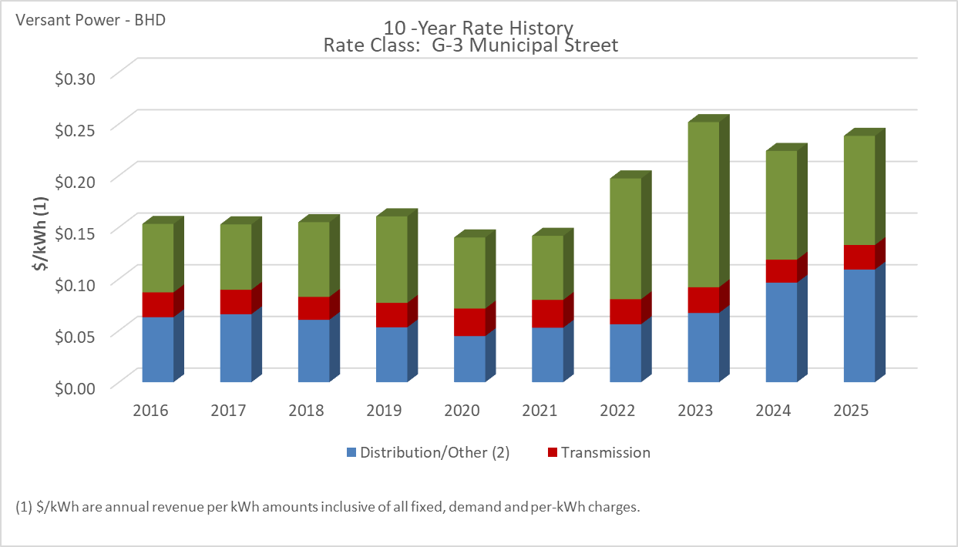

Distribution/Other rates increased 73.40% from $0.06290 to $0.10907 between 2016 and 2025.
Transmission rates decreased 1.34% from $0.02403 to $0.02371 between 2016 and 2025.
Standard offer rates increased 59.46% from $0.06624 to $0.10563 between 2016 and 2025.

Note: Source data Provided by utility in Docket No. 2019-00186

