A
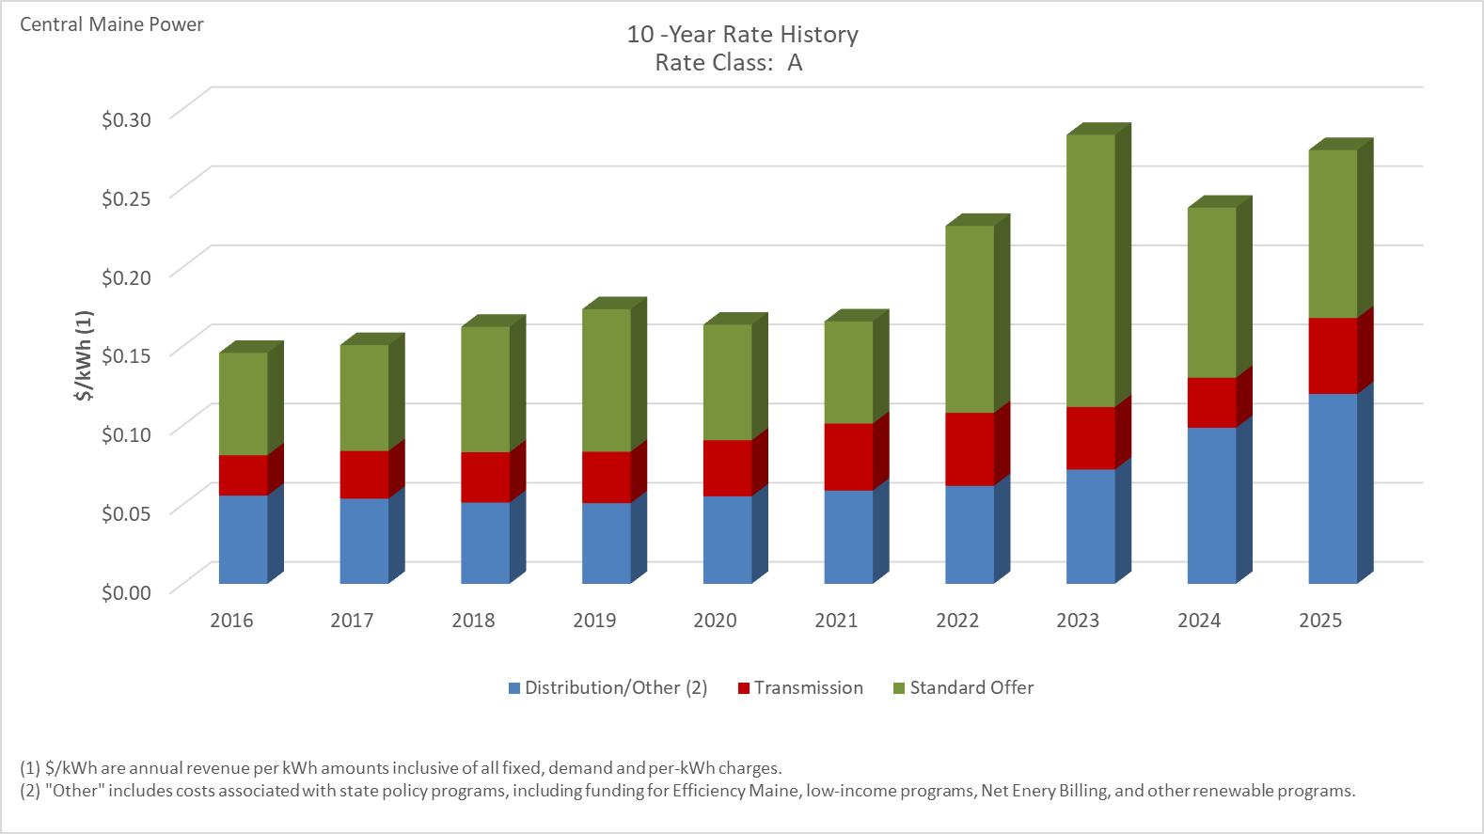

Distribution/Other rates increased 115.18% from $0.05575 to $0.11995 between 2016 and 2025.
Transmission rates increased 88.31% from $0.02548 to $0.04798 between 2016 and 2025.
Standard offer rates increased 64.18% from $0.06464 to $0.10613 between 2016 and 2025.

Note: Source data Provided by utility in Docket No. 2019-00186
Not Included: The two pilot residential rates which were implemented on January 1, 2023, which are Electric Technology and A-Seasonal (Heat Pump). The pilot period for these two rates will automatically terminate no later than January 31, 2027, unless otherwise renewed or modified by the Company and approved by the Commission.

A-TOU
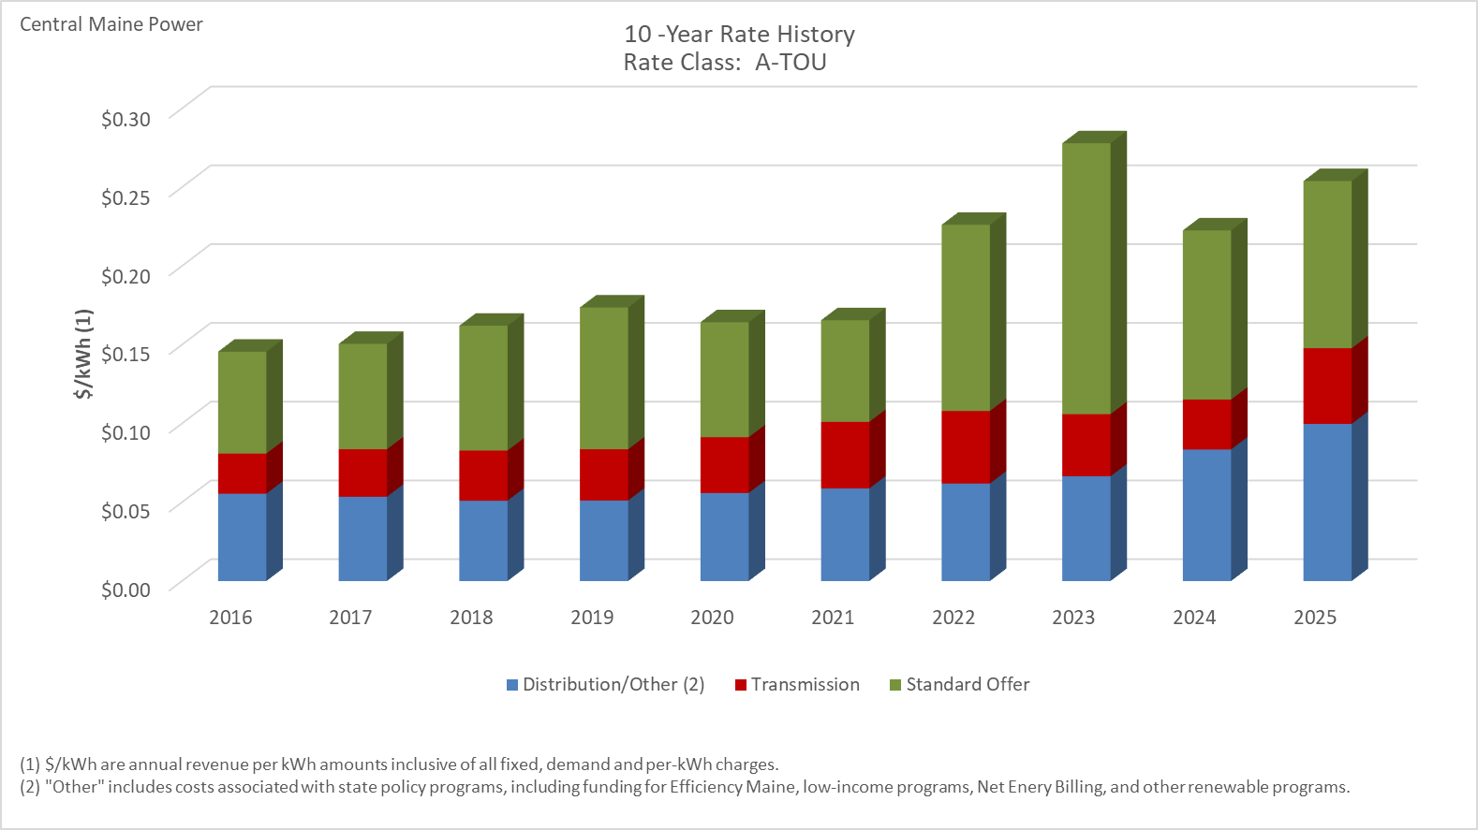

Distribution/Other rates increased 79.94% from $0.05546 to $0.09980 between 2016 and 2025.
Transmission rates increased 88.37% from $0.02548 to $0.04800 between 2016 and 2025.
Standard offer rates increased 64.18% from $0.06464 to $0.10613 between 2016 and 2025.

Note: Source data Provided by utility in Docket No. 2019-00186

A-LM
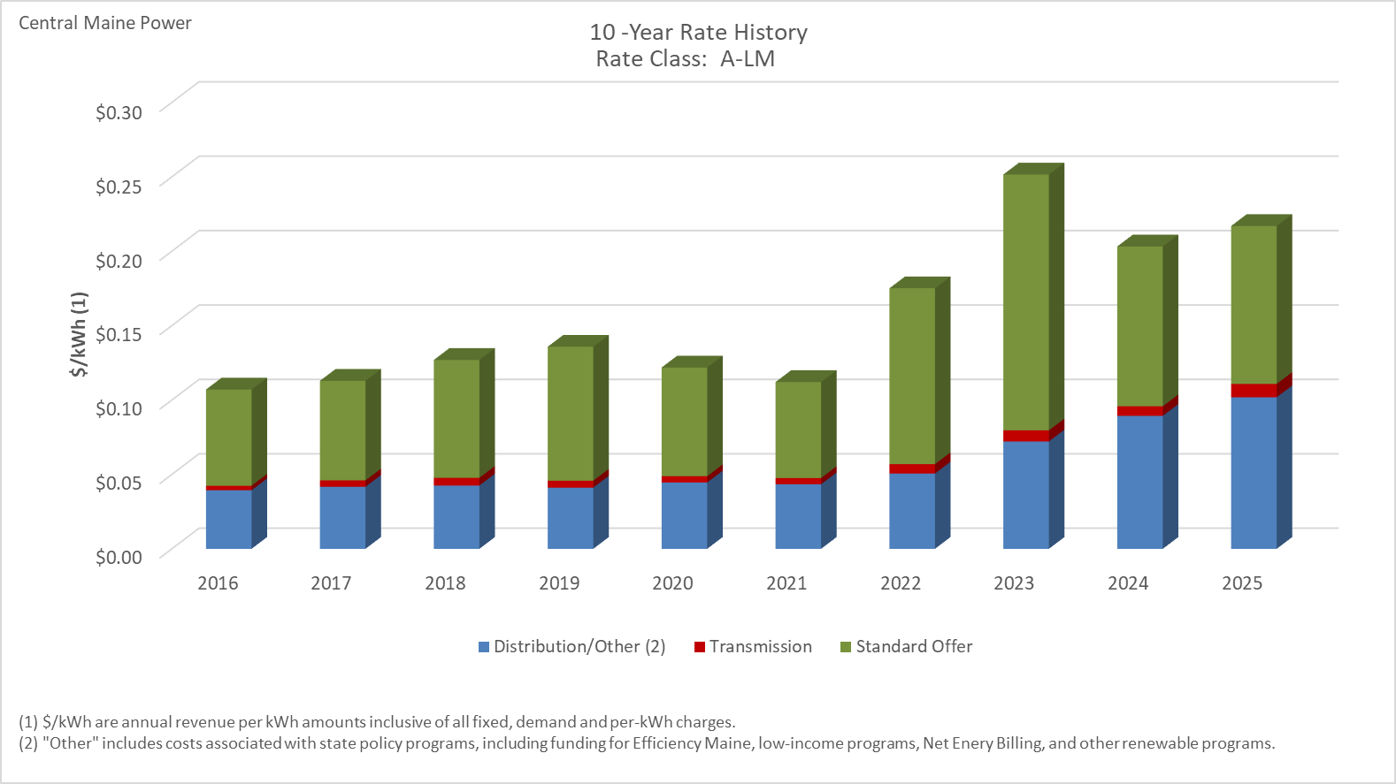

Distribution/Other rates increased 158.60% from $0.03938 to $0.10185 between 2016 and 2025.
Transmission rates increased 198.08% from $0.00302 to $0.00900 between 2016 and 2025.
Standard offer rates increased 64.18% from $0.06464 to $0.10613 between 2016 and 2025.

Note: Source data Provided by utility in Docket No. 2019-00186

SGS
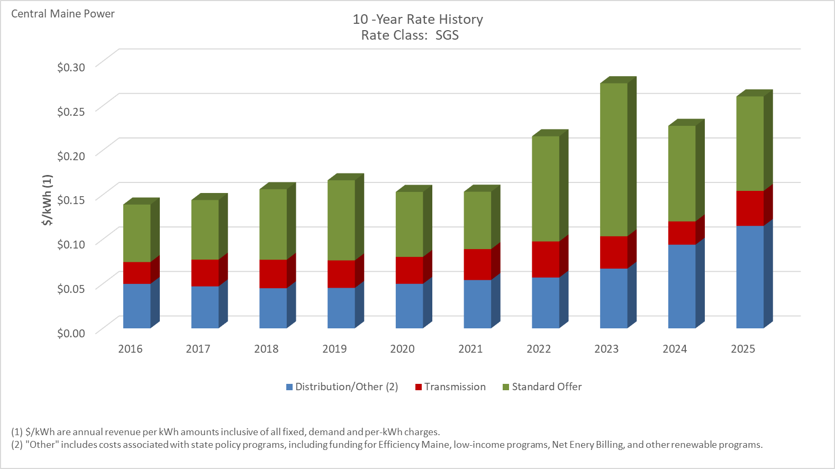

Distribution/Other rates increased 130.45% from $0.04992 to $0.11504 between 2016 and 2025.
Transmission rates increased 60.43% from $0.02453 to $0.03935 between 2016 and 2025.
Standard offer rates increased 64.23% from $0.06462 to $0.10613 between 2016 and 2025.

Note: Source data Provided by utility in Docket No. 2019-00186

SGS-TOU
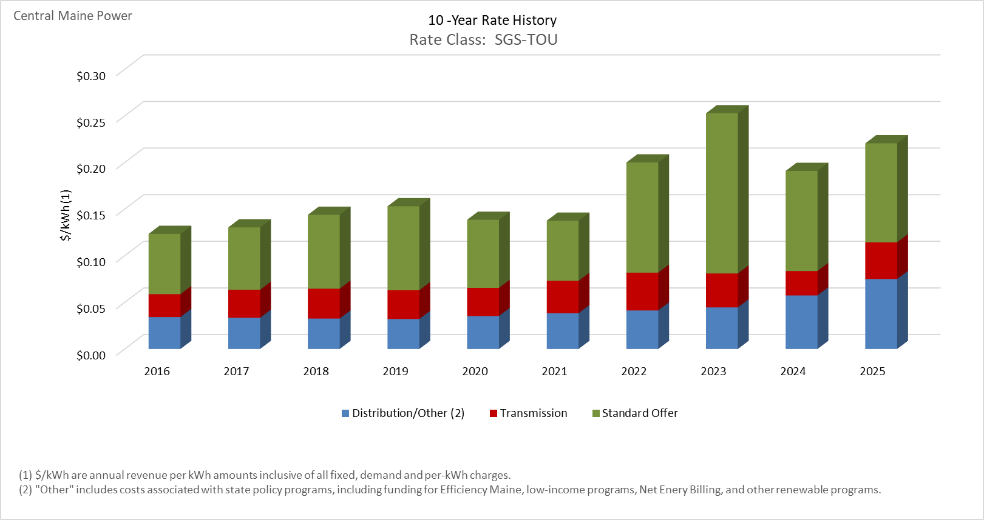

Distribution/Other rates increased 118.89% from $0.03428 to $0.07503 between 2016 and 2025.
Transmission rates increased 60.43% from $0.02453 to $0.03935 between 2016 and 2025.
Standard offer rates increased 64.23% from $0.06462 to $0.10613 between 2016 and 2025.

Note: Source data Provided by utility in Docket No. 2019-00186

MGS-S
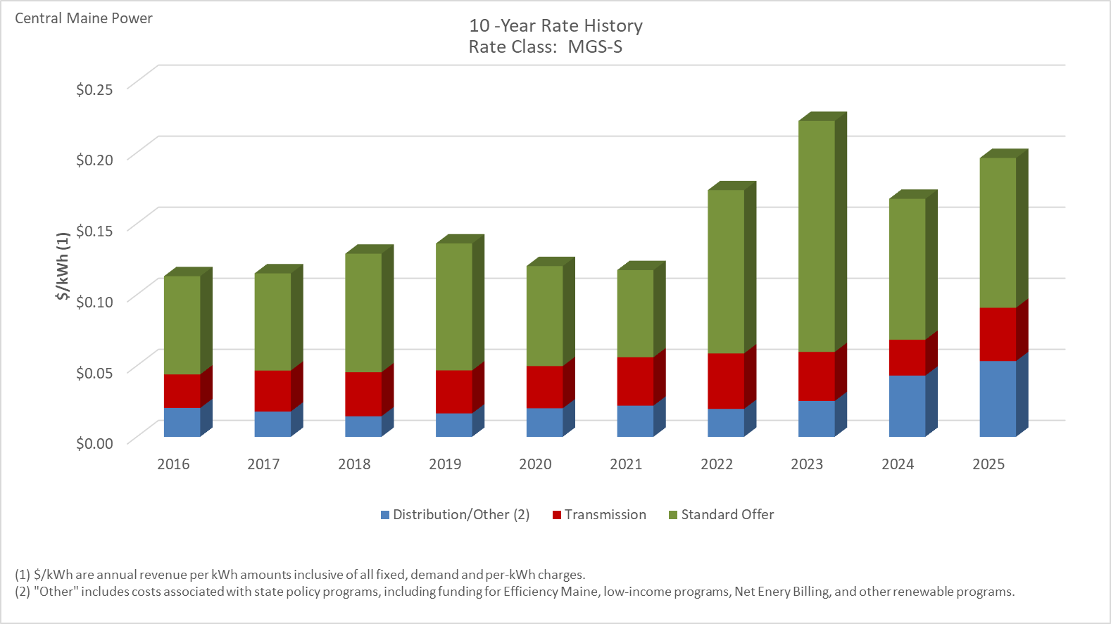

Distribution/Other rates increased 163.25% from $0.02025 to $0.05329 between 2016 and 2025.
Transmission rates increased 58.48% from $0.02369 to $0.03754 between 2016 and 2025.
Standard offer rates increased 52.51% from $0.06908 to $0.10535 between 2016 and 2025.

Note: Source data Provided by utility in Docket No. 2019-00186

MGS-S-TOU
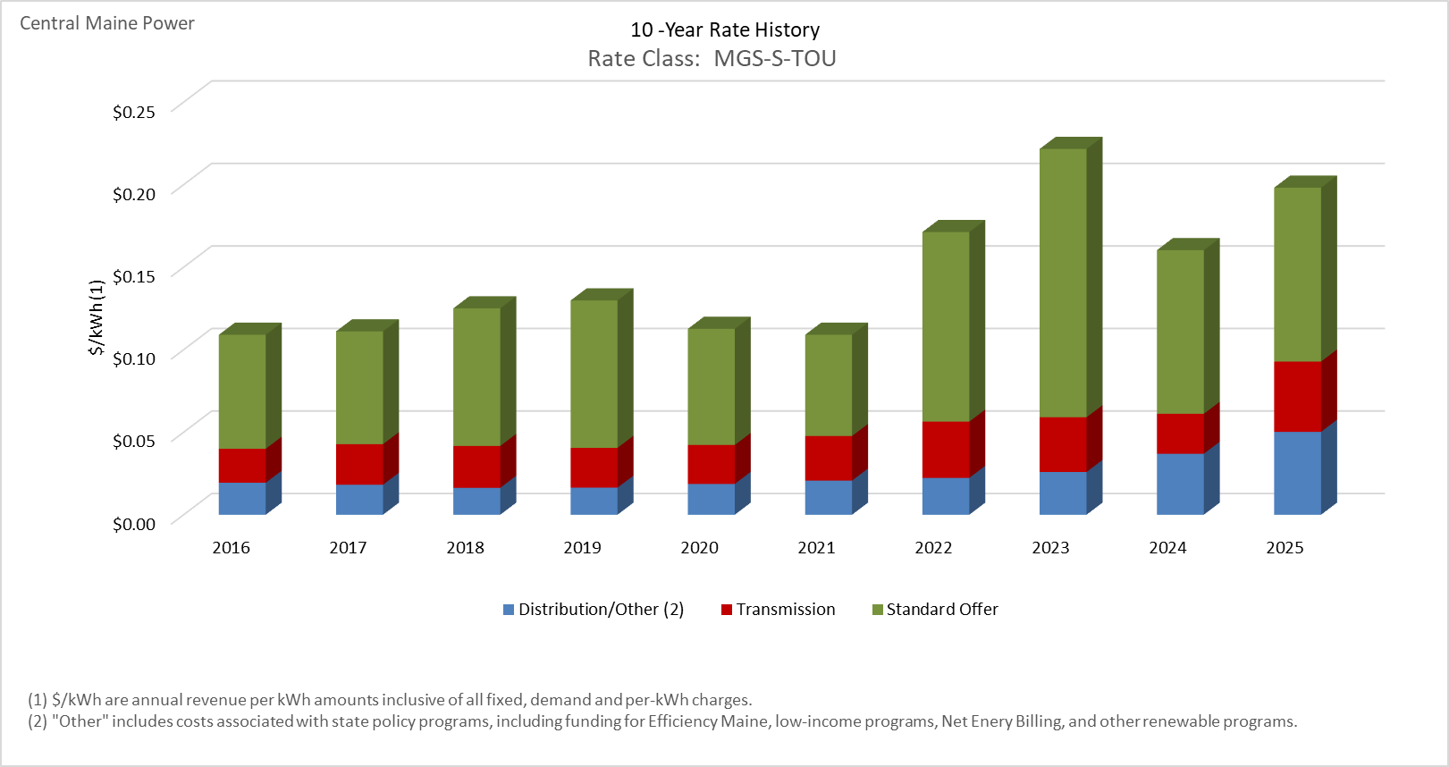

Distribution/Other rates increased 159.33% from $0.01937 to $0.05024 between 2016 and 2025.
Transmission rates increased 106.84% from $0.02059 to $0.04259 between 2016 and 2025.
Standard offer rates increased 52.51% from $0.06908 to $0.10535 between 2016 and 2025.

Note: Source data Provided by utility in Docket No. 2019-00186

MGS-P
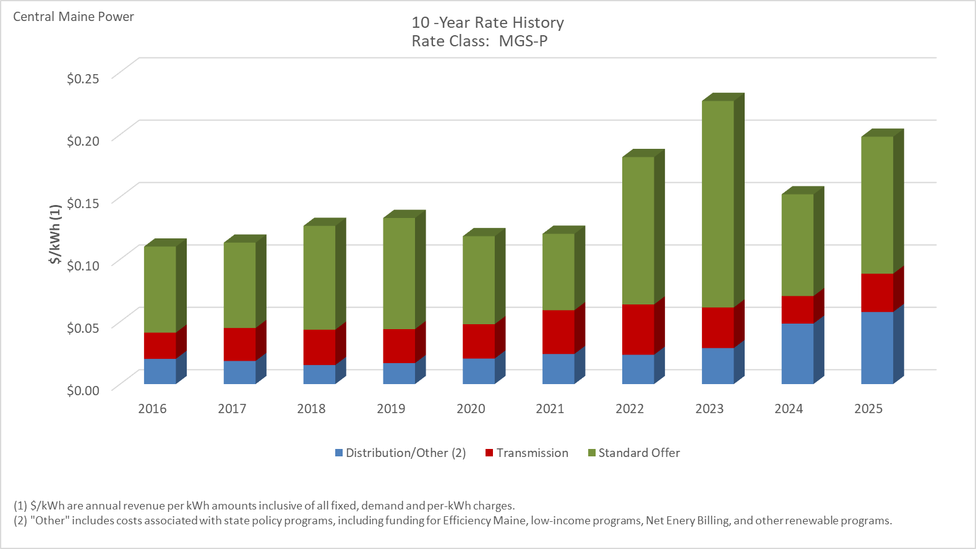

Distribution/Other rates increased 185.64% from $0.02024 to $0.05780 between 2016 and 2025.
Transmission rates increased 45.94% from $0.02103 to $0.03068 between 2016 and 2025.
Standard offer rates increased 59.17% from $0.06896 to $0.10976 between 2016 and 2025.

Note: Source data Provided by utility in Docket No. 2019-00186

MGS-P-TOU
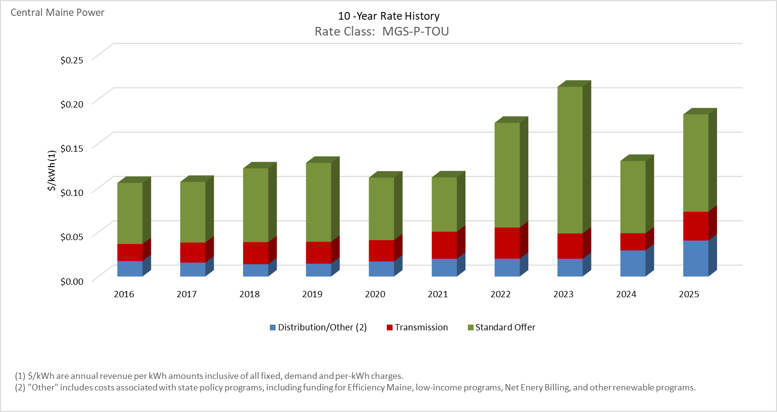

Distribution/Other rates increased 133.21% from $0.01741 to $0.04060 between 2016 and 2025.
Transmission rates increased 69.39% from $0.01916 to $0.03245 between 2016 and 2025.
Standard offer rates increased 59.17% from $0.06896 to $0.10976 between 2016 and 2025.

Note: Source data Provided by utility in Docket No. 2019-00186

IGS-S-TOU
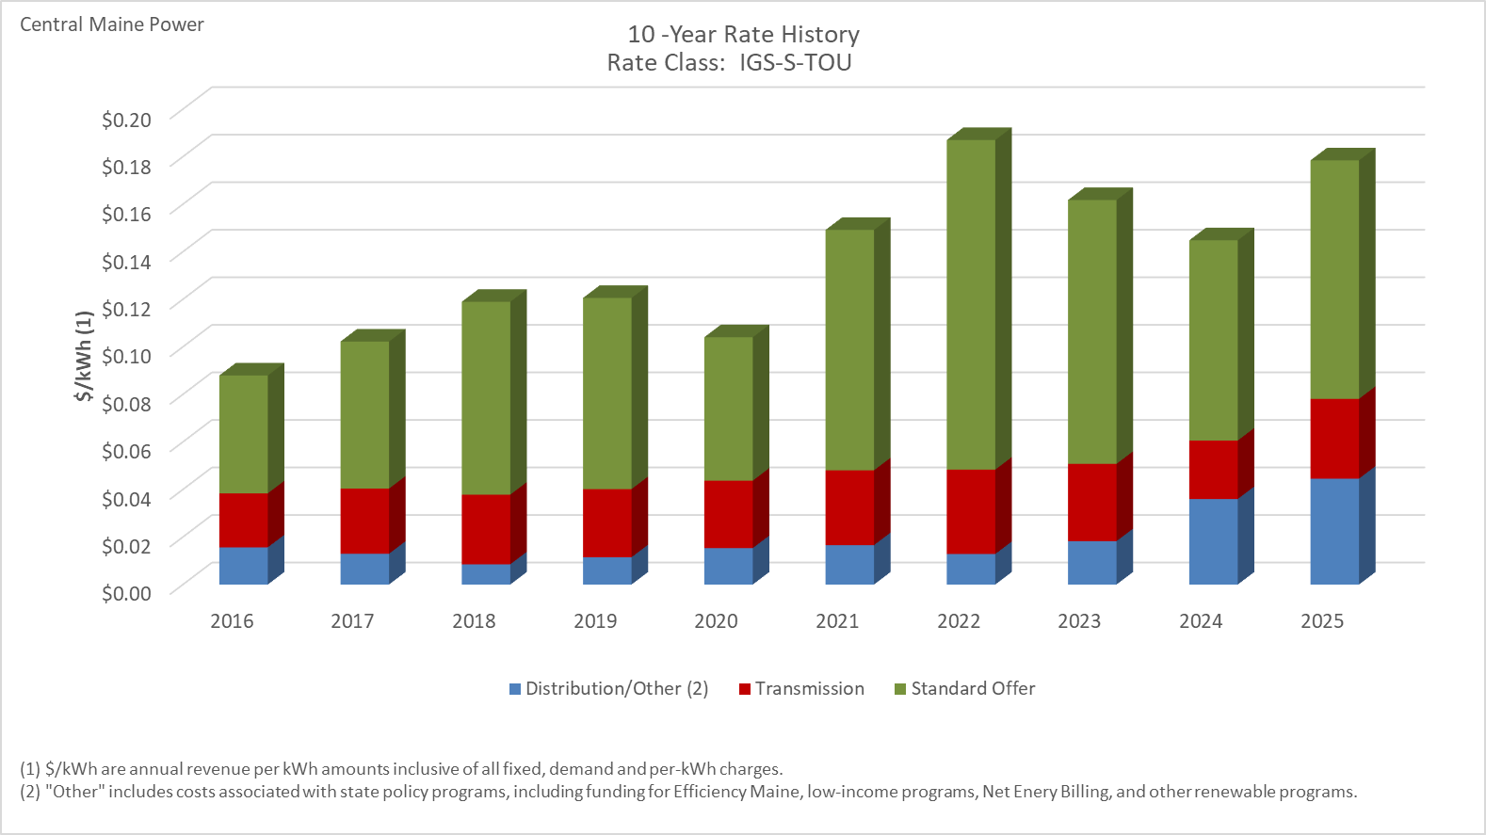

Distribution/Other rates increased 184.87% from $0.01564 to $0.04455 between 2016 and 2025.
Transmission rates increased 47.75% from $0.02272 to $0.03357 between 2016 and 2025.
Standard offer rates increased 102.32% from $0.04959 to $0.10033 between 2016 and 2025.

Note: Source data Provided by utility in Docket No. 2019-00186

IGS-P-TOU
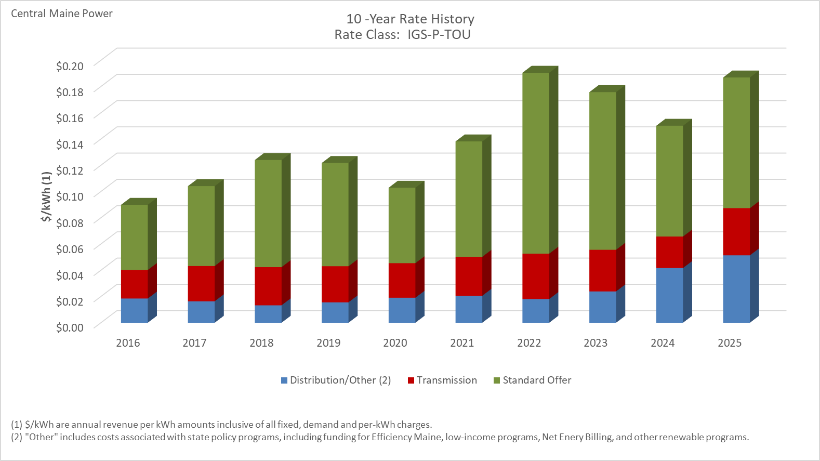

Distribution/Other rates increased 178.71% from $0.01842 to $0.05135 between 2016 and 2025.
Transmission rates increased 65.28% from $0.02175 to $0.03594 between 2016 and 2025.
Standard offer rates increased 100.53% from $0.04966 to $0.09958 between 2016 and 2025.

Note: Source data Provided by utility in Docket No. 2019-00186

LGS-S-TOU
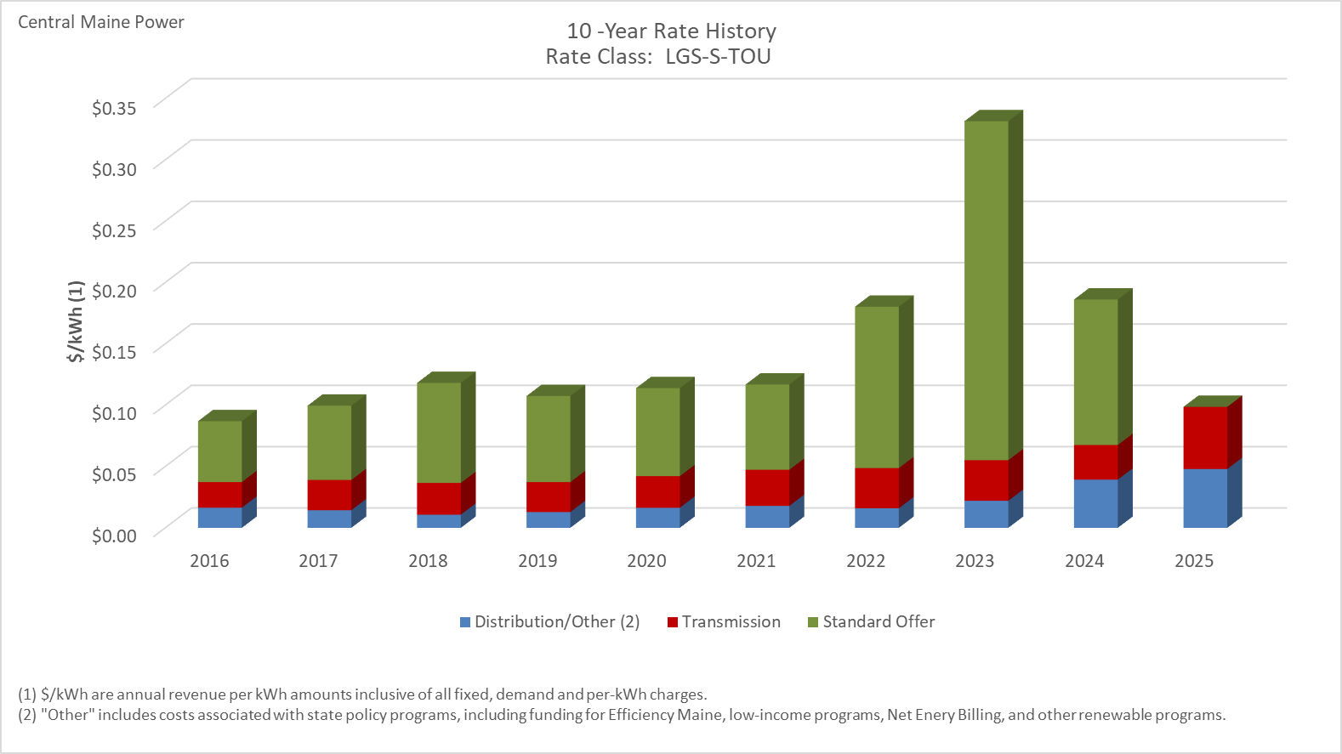

Distribution/Other rates increased 192.53% from $0.01641 to $0.04799 between 2016 and 2025.
Transmission rates increased 142.45% from $0.02090 to $0.05067 between 2016 and 2025.
Standard offer rates decreased 100.00% from $0.04964 to $0.00000 between 2016 and 2025.

Note: Source data Provided by utility in Docket No. 2019-00186
Note: There were no LGS-S-TOU customers receiving standard offer service during 2025, which is why that value is zero.

LGS-P-TOU
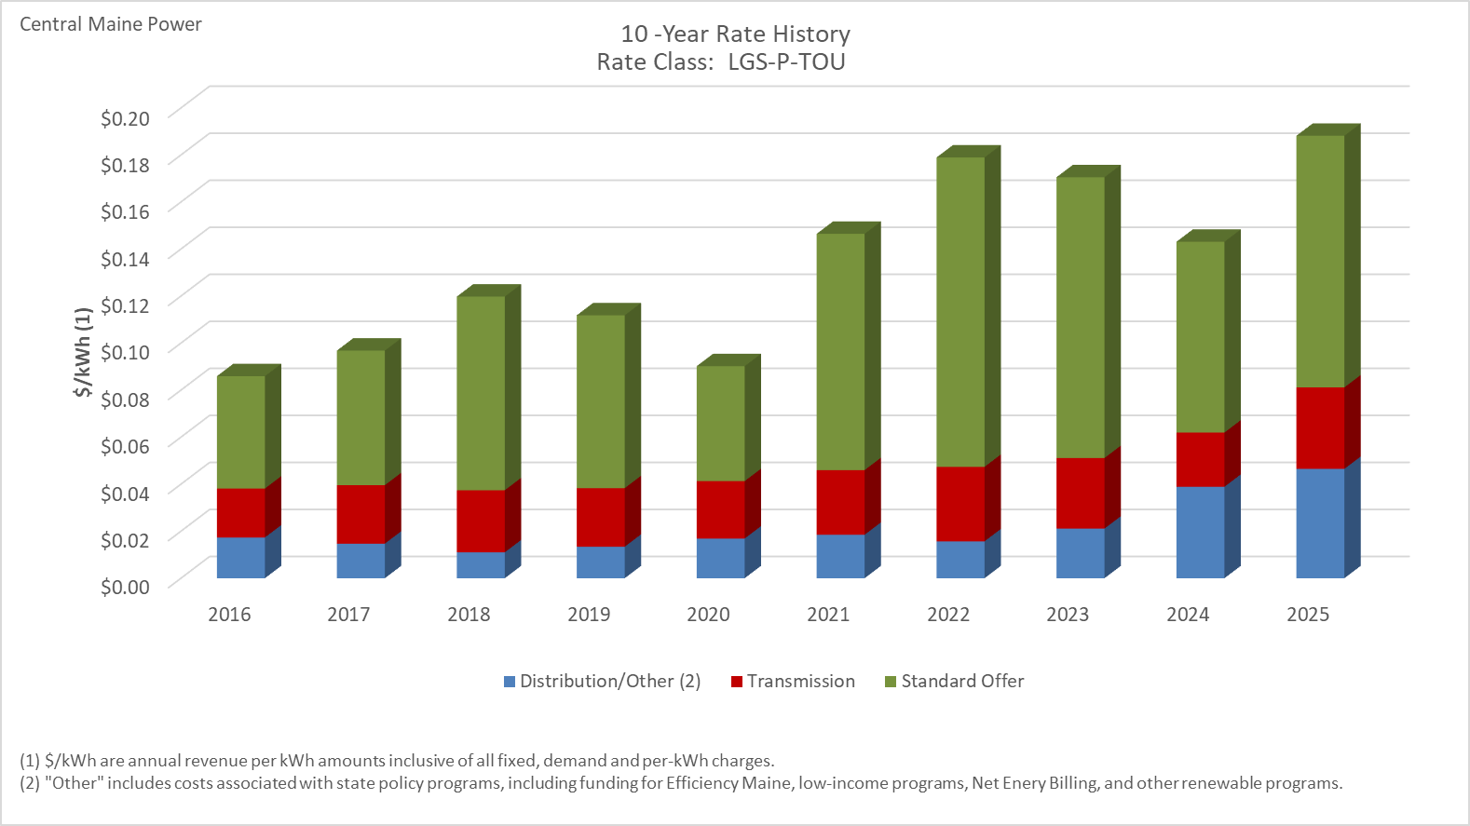

Distribution/Other rates increased 168.29% from $0.01733 to $0.04650 between 2016 and 2025.
Transmission rates increased 66.52% from $0.02081 to $0.03465 between 2016 and 2025.
Standard offer rates increased 123.96% from $0.04779 to $0.10702 between 2016 and 2025.

Note: Source data Provided by utility in Docket No. 2019-00186

LGS-ST-TOU
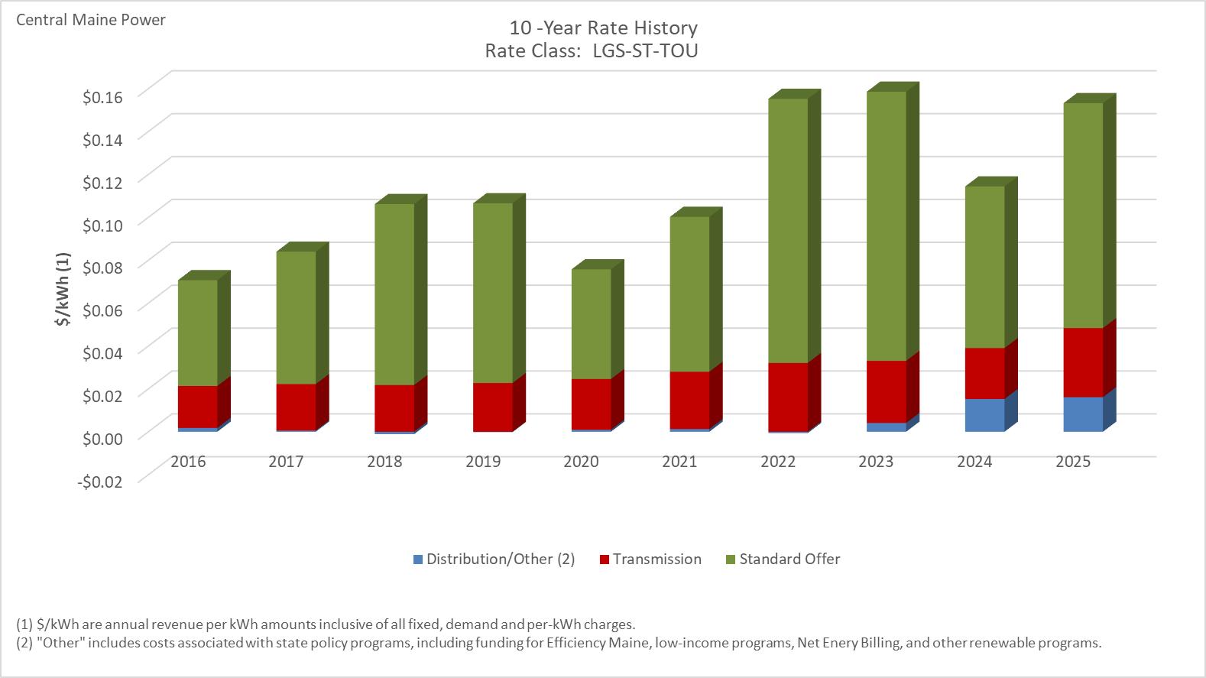

Distribution/Other rates increased 809.93% from $0.00177 to $0.01612 between 2016 and 2025.
Transmission rates increased 64.56% from $0.01957 to $0.03220 between 2016 and 2025.
Standard offer rates increased 112.68% from $0.04931 to $0.10488 between 2016 and 2025.

Note: Source data Provided by utility in Docket No. 2019-00186

LGS-T-TOU
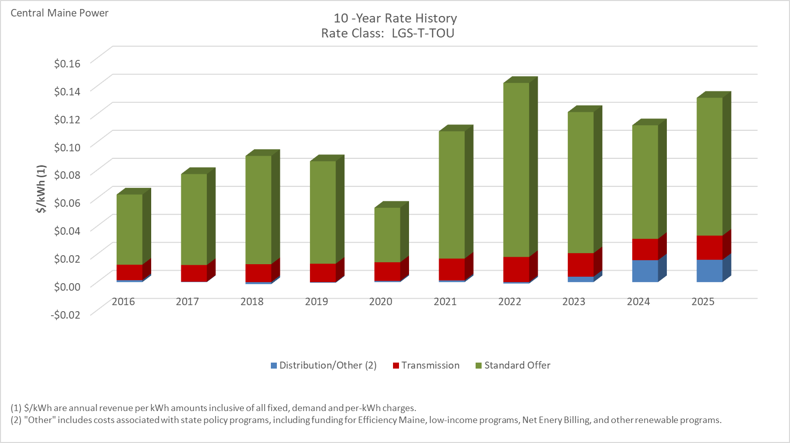

Distribution/Other rates increased 1058.66% from $0.00137 to $0.01592 between 2016 and 2025.
Transmission rates increased 56.16% from $0.01105 to $0.01726 between 2016 and 2025.
Standard offer rates increased 96.49% from $0.05005 to $0.09835 between 2016 and 2025.

Note: Source data Provided by utility in Docket No. 2019-00186

Area Lighting
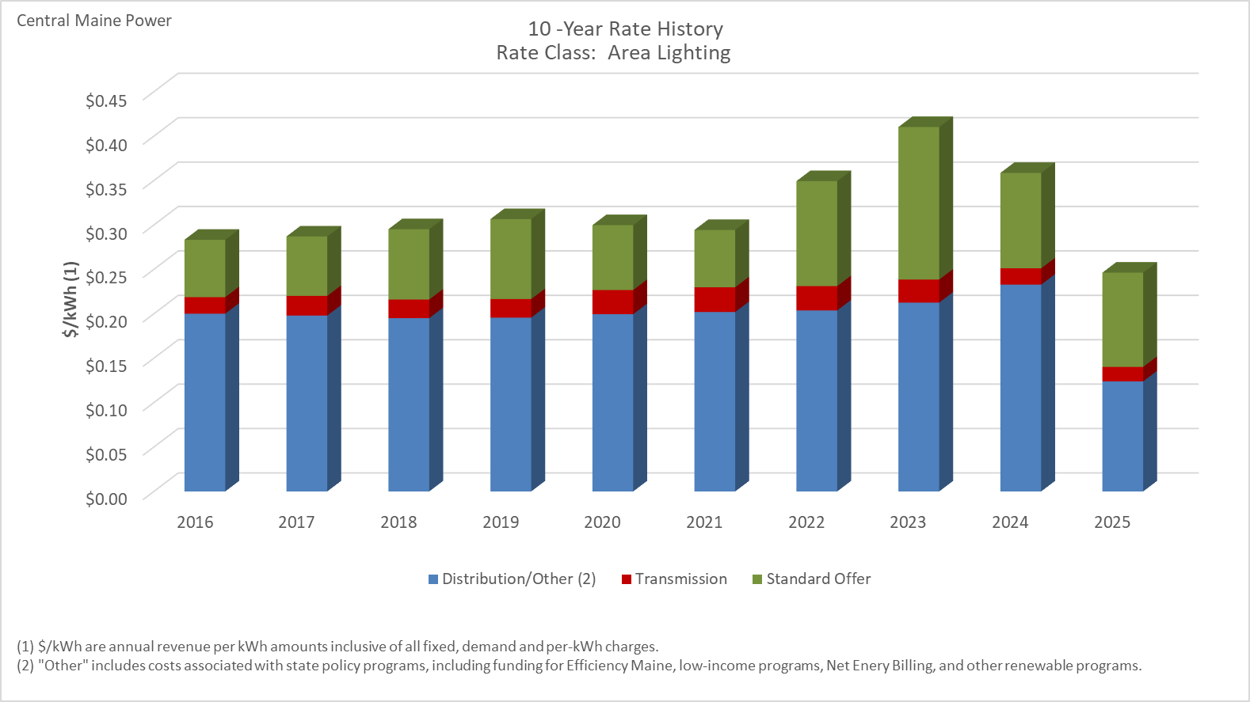

Distribution/Other rates decreased 38.09% from $0.20014 to $0.12391 between 2016 and 2025.
Transmission rates decreased 12.22% from $0.01857 to $0.01630 between 2016 and 2025.
Standard offer rates increased 64.23% from $0.06462 to $0.10613 between 2016 and 2025.

Note: Source data Provided by utility in Docket No. 2019-00186

Street Lighting
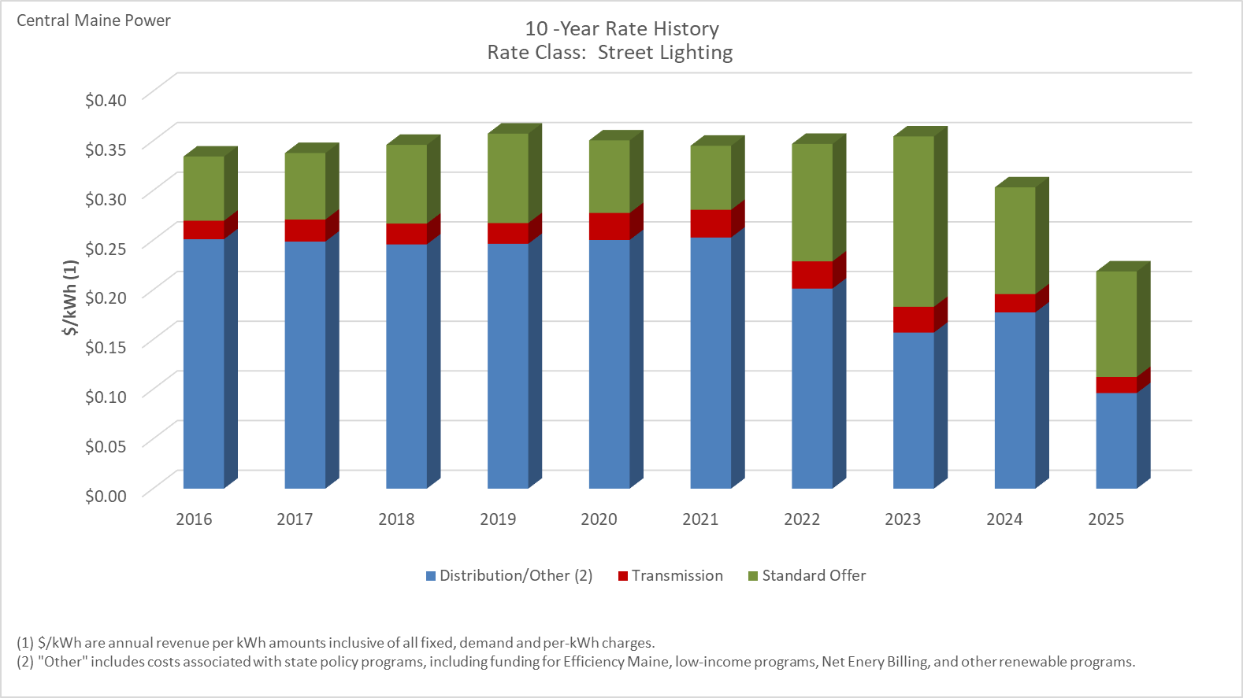

Distribution/Other rates decreased 61.70% from $0.25106 to $0.09616 between 2016 and 2025.
Transmission rates decreased 12.21% from $0.01857 to $0.01630 between 2016 and 2025.
Standard offer rates increased 64.22% from $0.06463 to $0.10613 between 2016 and 2025.

Note: Source data Provided by utility in Docket No. 2019-00186

