Questionnaire
Information About Your Organization
The company identified below is
submitting this Subcontractor Pre-bid
Qualification Questionnaire for: | Judicial Center of York County (JCYC)

Trade(s) you are applying for:

Company name:
Mailing address:
Physical address:
City:
Two-letter state code:
Zip Code:
Phone no.:
Contact person name:
E-mail address:

For the period of the last ten years, has your organization failed to qualify for bidding on any Maine
State Government or public school project?

If "Yes," provide name of project:
and date:

1. Meeting Project Schedules
1. A. Provide information on the projects in which your organization, as the Subcontractor, failed to meet the scheduled completion date (defined by original contract or subsequent change order), during the period of the last ten years…

...Regarding late projects:

1 Project name:
Project location:
Contract value:
Describe the nature of the circumstances:
Describe hardship created for the Owner as a result of a late completion date:
Were liquidated damagges assessed?
Were there other late projects in addition to any shown above?:

2. Completion of Work
2. A. Provide information on the projects or significant portion of a project in which your organization, as the Subcontractor, did not complete during the period of the last ten years…

...Regarding unfinished projects:

1 Project name:
Project location:
Contract value:
Describe the nature of the circumstances:
Describe hardship created for the Owner as a result of the incomplete work:
Was a bonding company or contractor used to complete any work?:
If "Yes," describe how another party became involved with the project:
Was the contract considered in default, terminated or suspended?:
If "Yes," describe the reasons for the default, termination or suspension:

Were there other unfinished projects or significant portions of projects in addition to any shown above?:

3. Resources
3. A. Provide information on up to three projects that your organization, as the Subcontractor, completed during the period of the last ten years which demonstrate experience with projects of a similar type and size to the subject project:

1 Project name:
Project location:
Contract value:
Area of structure: |  | square feet
General Contractor Reference:
Supplier Reference:

2 Project name:
Project location:
Contract value:
Area of structure: |  | square feet
General Contractor Reference:
Supplier Reference:

3 Project name:
Project location:
Contract value:
Area of structure: |  | square feet
General Contractor Reference:
Supplier Reference:

3. B. Provide information on up to three significant construction projects that are active in which
your organization is the Subcontractor:

1 Project name:
Project location:
Contract value:
Area of structure:
General Contractor Reference:
Supplier Reference:

2 Project name:
Project location:
Contract value:
Area of structure:
General Contractor Reference:
Supplier Reference:

3 Project name:
Project location:
Contract value:
Area of structure:
General Contractor Reference:
Supplier Reference:

3. C. Indicate whether your organization, during the period of the last ten years, has sought
protection under the bankruptcy laws:

If "Yes," provide detailed information regarding the matter.

*This information is confidential and not subject to disclosure under Title 1 M.R.S.A., chapter 13, subchapter I, Freedom of Access.

3. D. Indicate whether there have been any damage claims made against your organization which are
still outstanding, including any litigation or arbitration proceedings which are still pending:

If "Yes", provide detailed information below.
Amount of the claim:
Nature of the dispute underlying the claim:
Status of the claim, litigation or arbitration:
Name of the adverse party: |  | Phone no.:
Summary of your position on the matter:
* This information is confidential and not subject to disclosure under Title 1 M.R.S.A., chapter 13, subchapter I, Freedom of Access.
Are there other claims or pending dispute resolution processes in addition to any shown above?:

3. E. Indicate whether your organization has a written quality control program:

If "Yes", provide detailed information below.
Date first implemented:
Date last revised:
The quality control plan includes procedures for controlling and testing what specific work?

3. F. Labor
Number of Employees Office Personnel:
Number of Employees Field Personnel:

3. G. Surety: (performance & payment bonds will be required only for contracts over $125,000.00)
1. Provide your bonding agency information:
Agency name:
Mailing address:
City:
Two-letter state code:
Zip Code:
Phone no.:
Contact person name:
E-mail address:

2. Contractor’s bondable limits:
Project: $ |  | Aggregate: $
 | Value of work to be billed: $

* Also provide as an attachment in the email submission of this questionnaire, the bonding agency’s statement of opinion of the Contractor's financial ability to complete the proposed project, listing single project and aggregate limits.
3. Provide your organization’s bonding underwriter company:
Underwriter company name:
Mailing address:
City:
Two-letter state code:
Zip code:
Phone no.:
Contact person name:
E-mail address:

3. H. Insurance
Sub-contractor's will be required to meet the following insurance requirements:
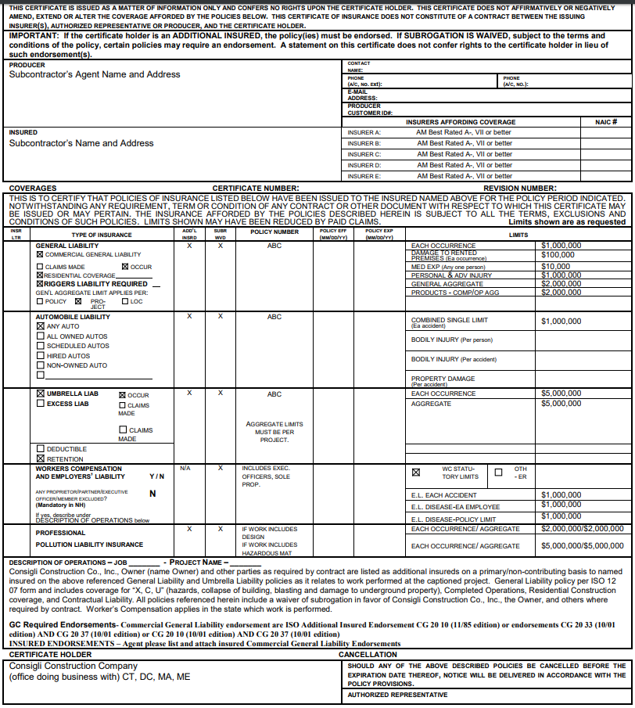

4. Misconduct
4. A. Indicate whether your organization, or any of its’ officers, owners or key personnel, during the period of the last ten years, been convicted of, or plead or consented to a violation of a bid crime, including bid collusion or any other crime involving fraud or knowing misrepresentation:

If "Yes," provide detailed information below.
Jurisdiction where the judgment of conviction was entered:
Date of judgement:
Brief description of the violation:

Are there other violations in addition to any shown above?:

4. B. Indicate whether your organization, during the period of the last ten years, been debarred from
bidding, or agreed to refrain from bidding on a contract:

If "Yes," provide detailed information below.
Name of project:
Owner name:
Date:
Brief description of the situation:

Are there other debarments in addition to any shown above?:

4. C. Indicate whether your organization has received any citations or other notices of violation
during the period of the last ten years, for Workers' Compensation or Labor law violations:

If "Yes," provide detailed information below.
Name of project:
Name of citation or notice:
Date of citation or notice:
Brief description of the situation:
Official resolution of the violation:

Are there other citations or notices in addition to any shown above?:

4. D. Indicate whether your organization, or any of its’ officers, owners or key personnel, during the period of the last ten years, been found to be in violation of any federal, state or local environmental law or regulation in which the authority ruled that the violator intentionally or knowingly committed the violation, or failed to comply after having been notified of the violation:

If "Yes," provide detailed information below.
Name of project:
Name of citation or notice:
Date of citation or notice:
Brief description of the situation:
Official resolution of the violation:

Are there other violations in addition to any shown above?:

4. E. Indicate whether your organization, or any of its officers, owners or key personnel, during the period of the last ten years, been convicted of any other civil or criminal violations relating to construction projects not addressed above:

If "Yes," provide detailed information below.
Name of project:
Name of citation or notice:
Date of citation or notice:
Brief description of the situation:
Official resolution of the violation:

Are there other violations in addition to any shown above?:

5. Safety Record

5. A. Indicate whether your organization has a safety program:

If "Yes," provide detailed information below.
Date first implemented:
Submit your written safety program:
Frequency of work site safety meetings:

5. B. Indicate whether citations have been issued to your organization, during the period of the last
ten years, for workplace safety law violations:

* If "Yes," provide as an attachment in the email submission of this questionnaire, for all of the names your company is known to OSHA, all OSHA Inspection Detail and Violation citations, or the OSHA Integrated Management Information System (IMIS) report for your organization.

5. C. Provide your organization’s OSHA reportable incident rate for the past three years:
2017
2018
2019
If any year's rate is greater than 3.0, provide an explanation for the high rating:

* Submit your OSHA 300 Logs for the past three years.

5. D. Provide your organization’s NCCI Employer Modification Rate (EMR) for the past three
2017
2018
2019

* If any year's EMR is greater than 1.0, provide as an attachment in the email submission of this questionnaire, the NCCI rating information for the previous three years, with a written explanation of the high rating.

* Submit letter from insurance agent demonstrating current and past 2 years Worker’s Compensation EMR.

Certification
By completing this questionnaire, the person named below certifies that they are a principal or agent of
the company and that, to their best knowledge and belief, the information provided in the questionnaire is true, accurate, and complete. An incomplete questionnaire, or one found to contain material misrepresentation, may be the basis for disqualification.

Company name:
Name:
Title:
Date:

 | End of Questionnaire

