A
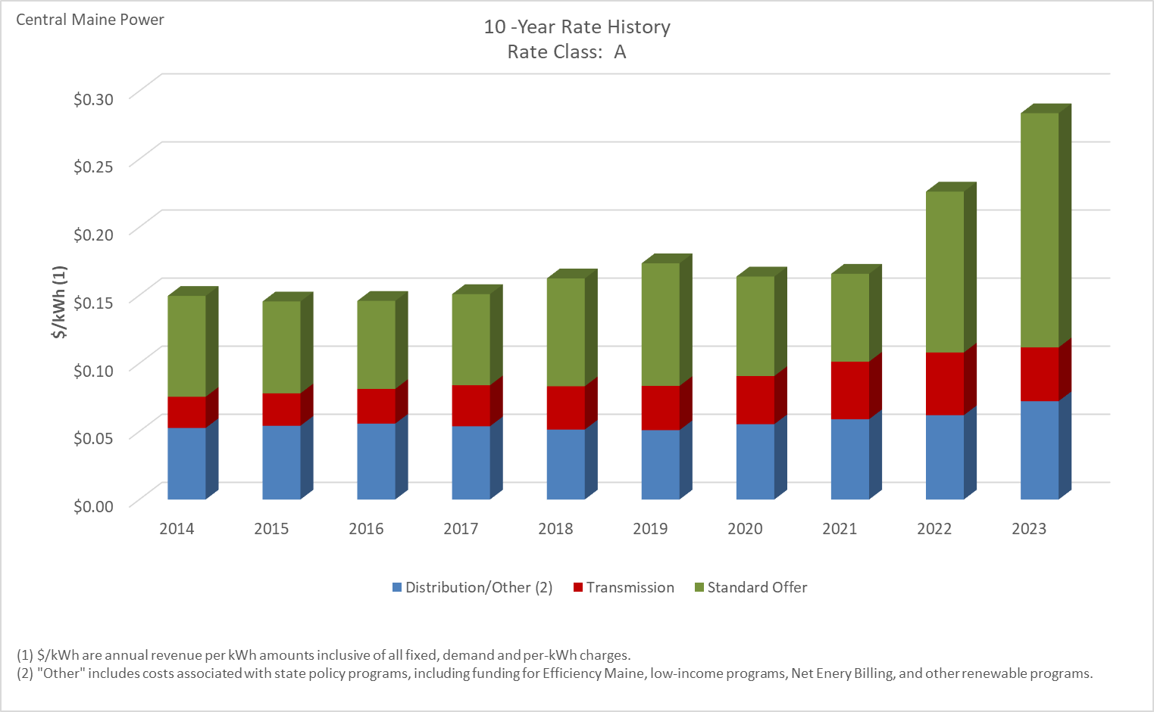

Distribution/Other rates increased 37.53% from $0.05253 to $0.07224 between 2014 and 2023.
Transmission rates increased 72.29% from $0.02292 to $0.03948 between 2014 and 2023.
Standard offer rates increased 132.06% from $0.07409 to $0.17194 between 2014 and 2023.

Note: Source data Provided by utility in Docket No. 2019-00186

A-TOU
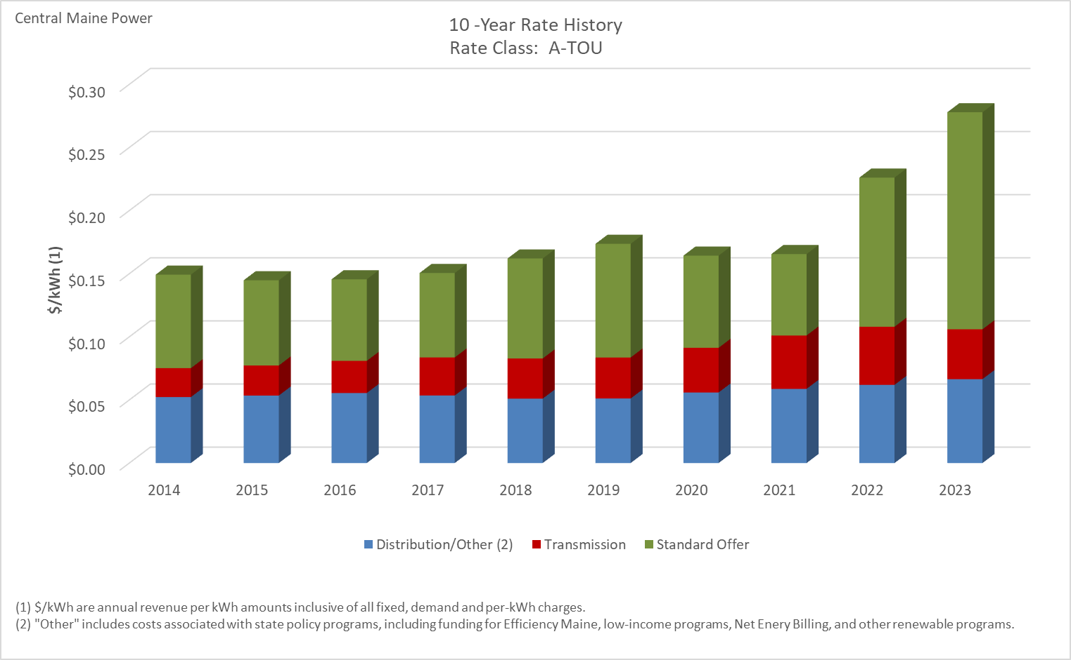

Distribution/Other rates increased 27.23% from $0.05225 to $0.06648 between 2014 and 2023.
Transmission rates increased 72.23% from $0.02292 to $0.03948 between 2014 and 2023.
Standard offer rates increased 132.06% from $0.07409 to $0.17194 between 2014 and 2023.

Note: Source data Provided by utility in Docket No. 2019-00186

A-LM
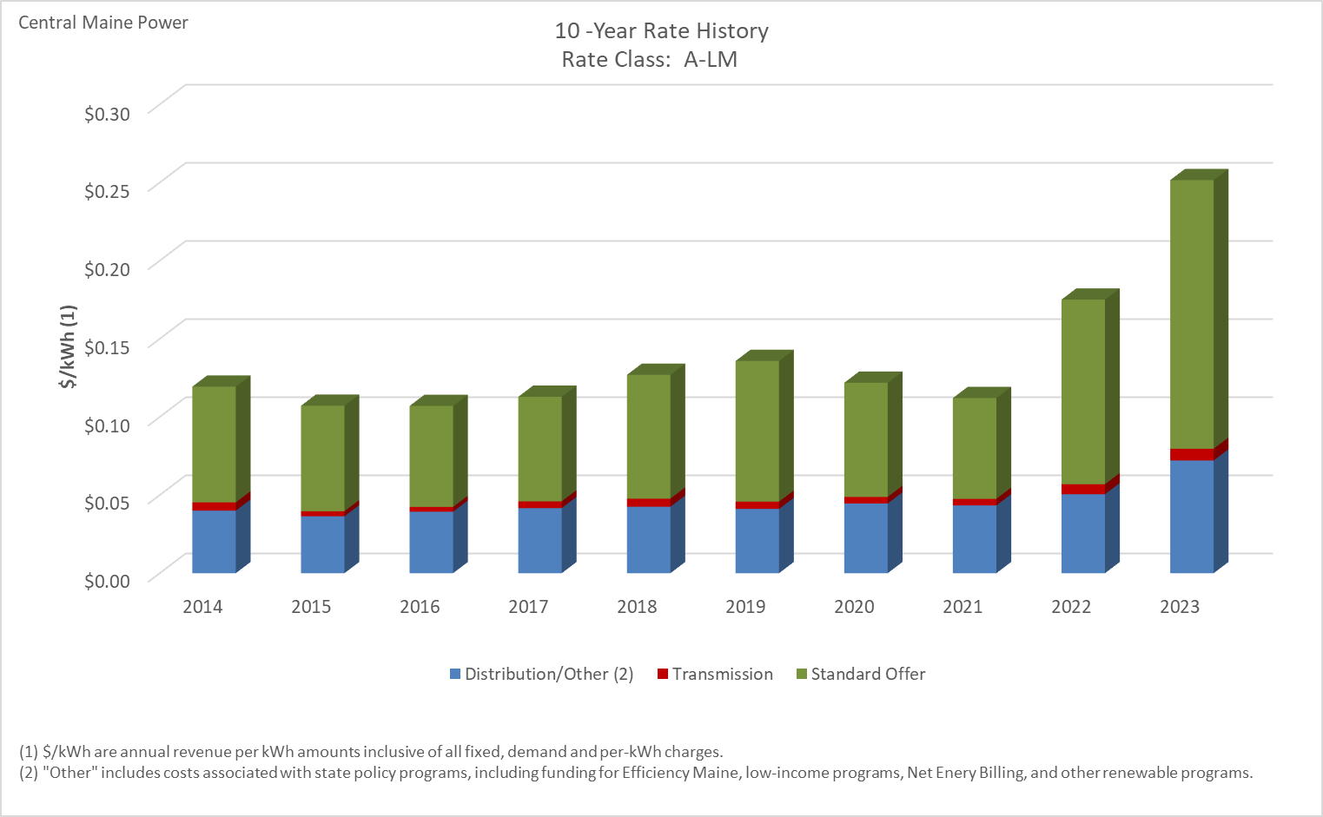

Distribution/Other rates increased 80.20% from $0.04005 to $0.07216 between 2014 and 2023.
Transmission rates increased 41.91% from $0.00526 to $0.00746 between 2014 and 2023.
Standard offer rates increased 132.06% from $0.07409 to $0.17194 between 2014 and 2023.

Note: Source data Provided by utility in Docket No. 2019-00186

Super Saver
10 -Year Rate History
 | Distribution/Other (2) | Transmission | Standard Offer
2014 | $0.054715 | $0.022922 | $0.074094
2015 | $0.048416 | $0.023817 | $0.067467
2016 | $0.051386 | $0.025481 | $0.064643
2017 | $0.048595 | $0.030130 | $0.066910
2018 | $0.043746 | $0.031826 | $0.079206
2019 | $0.041657 | $0.032502 | $0.090029
2020 | $0.044052 | $0.035380 | $0.073037
2021 | $0.047121 | $0.042309 | $0.064494
2022 | $0.049012 | $0.046047 | $0.118161
2023 | $- | $- | $-

Distribution/Other rates decreased 100.00% from $0.05472 to $0.00000 between 2014 and 2023.
Transmission rates decreased 100.00% from $0.02292 to $0.00000 between 2014 and 2023.
Standard offer rates decreased 100.00% from $0.07409 to $0.00000 between 2014 and 2023.

Note: Source data Provided by utility in Docket No. 2019-00186
Note: This rate was discontinued on December 31, 2022.

SGS
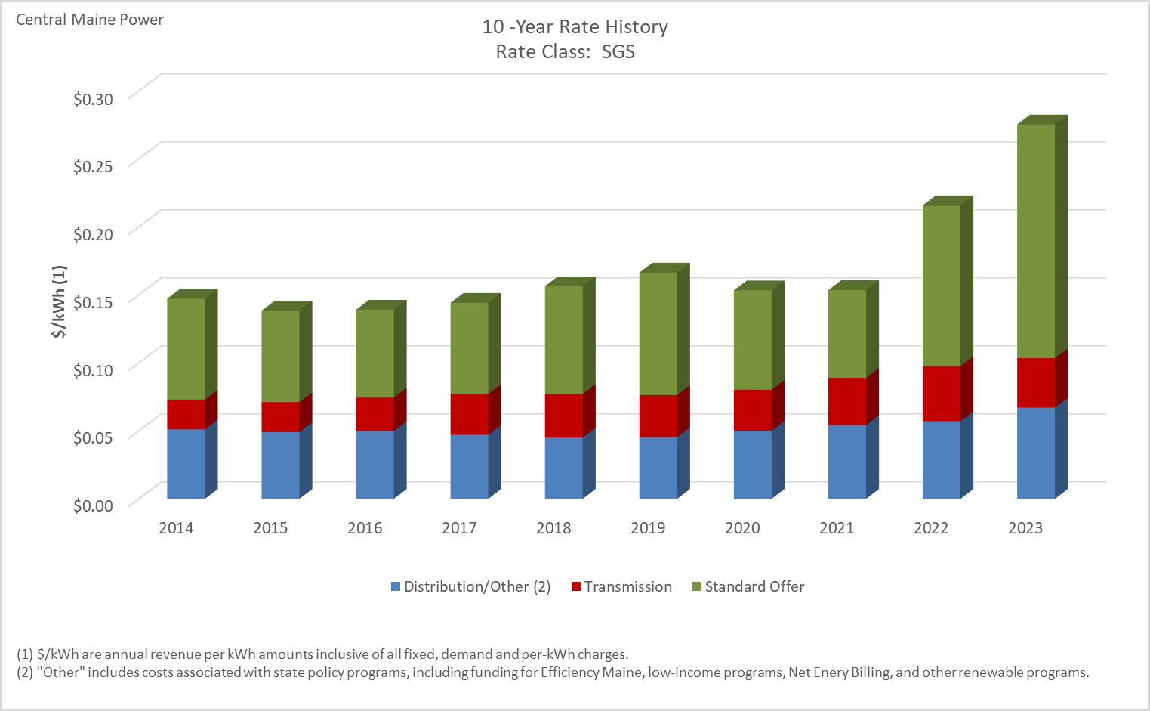

Distribution/Other rates increased 31.36% from $0.05107 to $0.06708 between 2014 and 2023.
Transmission rates increased 66.17% from $0.02188 to $0.03636 between 2014 and 2023.
Standard offer rates increased 131.49% from $0.07423 to $0.17184 between 2014 and 2023.

Note: Source data Provided by utility in Docket No. 2019-00186

SGS-TOU
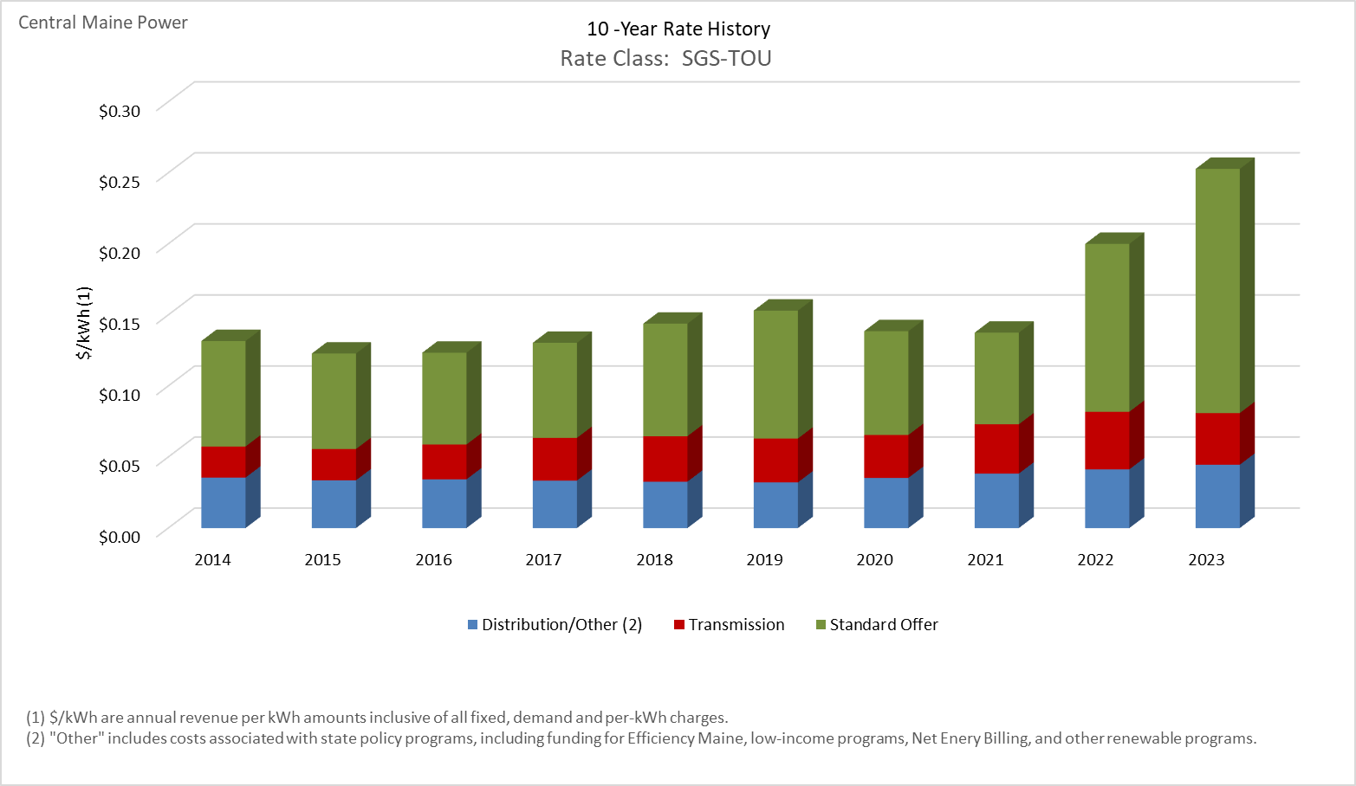

Distribution/Other rates increased 25.49% from $0.03553 to $0.04458 between 2014 and 2023.
Transmission rates increased 66.17% from $0.02188 to $0.03636 between 2014 and 2023.
Standard offer rates increased 131.49% from $0.07423 to $0.17184 between 2014 and 2023.

Note: Source data Provided by utility in Docket No. 2019-00186

MGS-S
10 -Year Rate History
 | Distribution/Other (2) | Transmission | Standard Offer
2014 | $0.018436 | $0.021000 | $0.080687
2015 | $0.017178 | $0.021740 | $0.078483
2016 | $0.020245 | $0.023685 | $0.069079
2017 | $0.017818 | $0.028831 | $0.068358
2018 | $0.014437 | $0.031042 | $0.083386
2019 | $0.016498 | $0.030241 | $0.089289
2020 | $0.020085 | $0.029702 | $0.070386
2021 | $0.021928 | $0.034045 | $0.061338
2022 | $0.019646 | $0.039063 | $0.114873
2023 | $0.025214 | $0.034513 | $0.162575

Distribution/Other rates increased 36.77% from $0.01844 to $0.02521 between 2014 and 2023.
Transmission rates increased 64.35% from $0.02100 to $0.03451 between 2014 and 2023.
Standard offer rates increased 101.49% from $0.08069 to $0.16258 between 2014 and 2023.

Note: Source data Provided by utility in Docket No. 2019-00186

MGS-S-TOU
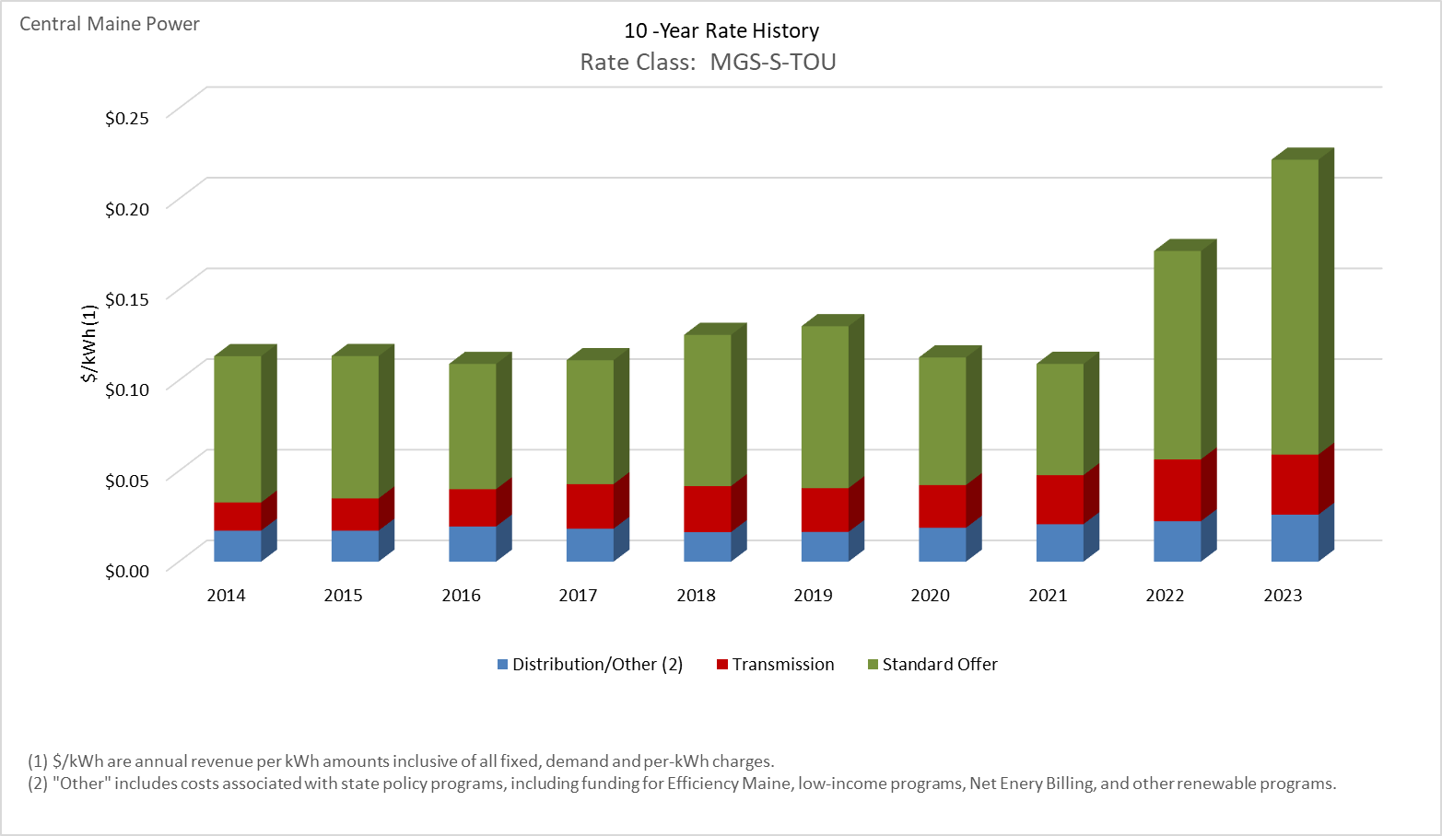

Distribution/Other rates increased 51.42% from $0.01711 to $0.02590 between 2014 and 2023.
Transmission rates increased 113.58% from $0.01552 to $0.03316 between 2014 and 2023.
Standard offer rates increased 101.49% from $0.08069 to $0.16258 between 2014 and 2023.

Note: Source data Provided by utility in Docket No. 2019-00186

MGS-P
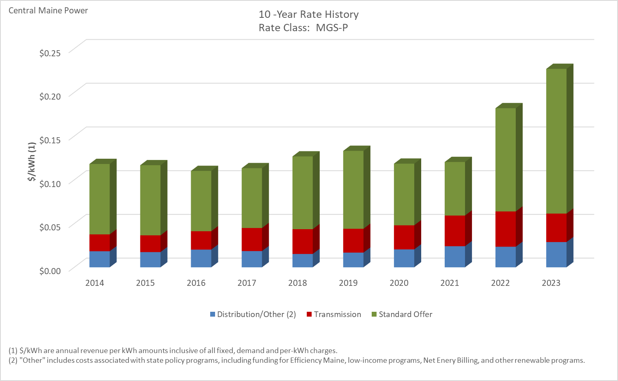

Distribution/Other rates increased 56.91% from $0.01840 to $0.02887 between 2014 and 2023.
Transmission rates increased 68.83% from $0.01929 to $0.03256 between 2014 and 2023.
Standard offer rates increased 105.53% from $0.08052 to $0.16549 between 2014 and 2023.

Note: Source data Provided by utility in Docket No. 2019-00186

MGS-P-TOU
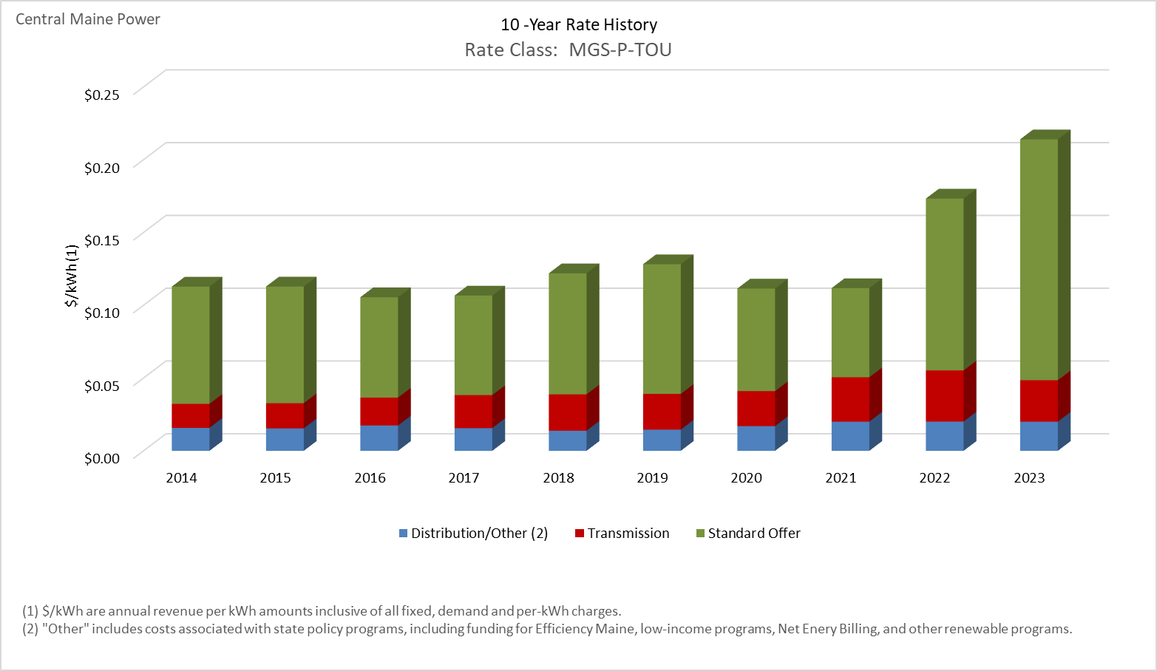

Distribution/Other rates increased 26.78% from $0.01579 to $0.02002 between 2014 and 2023.
Transmission rates increased 72.59% from $0.01650 to $0.02848 between 2014 and 2023.
Standard offer rates increased 105.53% from $0.08052 to $0.16549 between 2014 and 2023.

Note: Source data Provided by utility in Docket No. 2019-00186

IGS-S-TOU
10 -Year Rate History
 | Distribution/Other (2) | Transmission | Standard Offer
2014 | $0.013250 | $0.019487 | $0.092271
2015 | $0.011233 | $0.020351 | $0.074223
2016 | $0.015640 | $0.022718 | $0.049589
2017 | $0.012951 | $0.027407 | $0.061868
2018 | $0.008509 | $0.029307 | $0.081137
2019 | $0.011474 | $0.028673 | $0.080412
2020 | $0.015319 | $0.028381 | $0.060334
2021 | $0.016574 | $0.031479 | $0.101111
2022 | $0.012834 | $0.035497 | $0.138673
2023 | $0.018235 | $0.032528 | $0.110988

Distribution/Other rates increased 37.62% from $0.01325 to $0.01824 between 2014 and 2023.
Transmission rates increased 66.92% from $0.01949 to $0.03253 between 2014 and 2023.
Standard offer rates increased 20.28% from $0.09227 to $0.11099 between 2014 and 2023.

Note: Source data Provided by utility in Docket No. 2019-00186

IGS-P-TOU
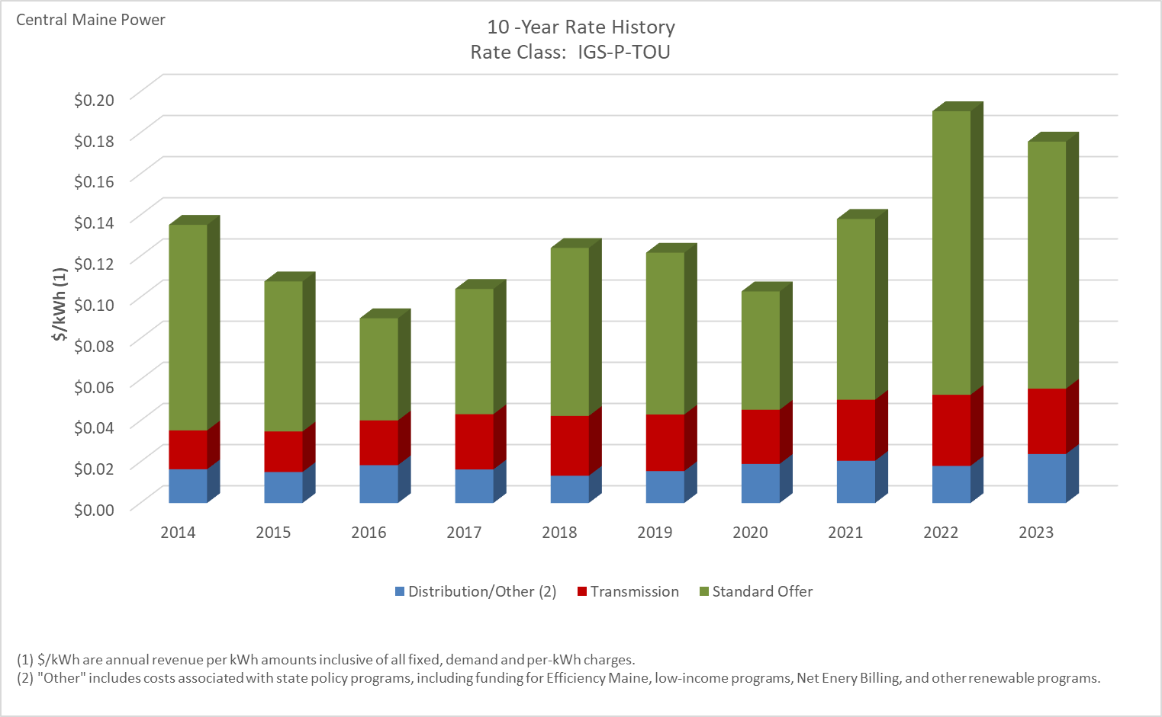

Distribution/Other rates increased 45.39% from $0.01641 to $0.02385 between 2014 and 2023.
Transmission rates increased 67.94% from $0.01890 to $0.03174 between 2014 and 2023.
Standard offer rates increased 20.19% from $0.09993 to $0.12011 between 2014 and 2023.

Note: Source data Provided by utility in Docket No. 2019-00186

LGS-S-TOU
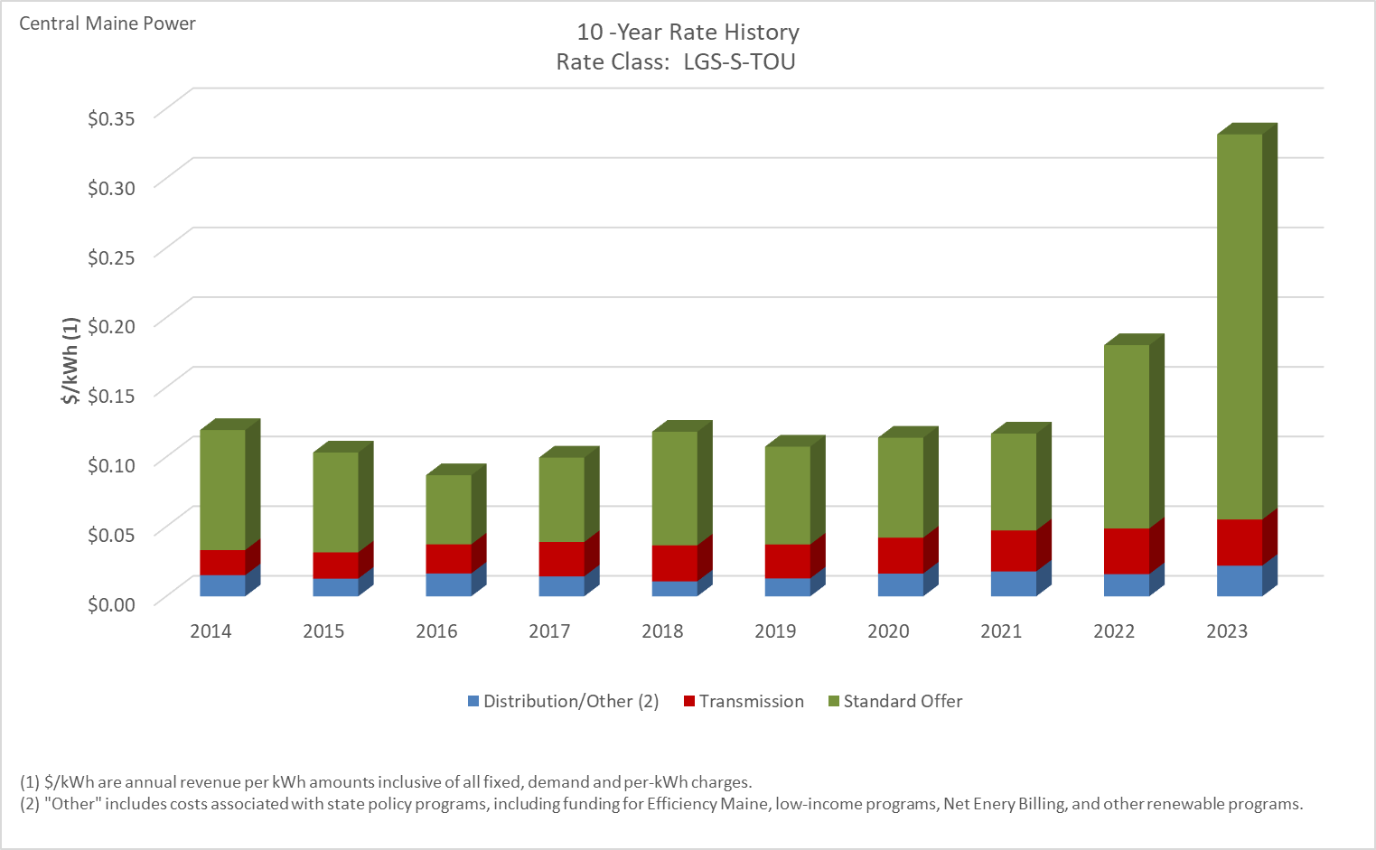

Distribution/Other rates increased 45.11% from $0.01519 to $0.02204 between 2014 and 2023.
Transmission rates increased 83.79% from $0.01803 to $0.03313 between 2014 and 2023.
Standard offer rates increased 221.00% from $0.08610 to $0.27637 between 2014 and 2023.

Note: Source data Provided by utility in Docket No. 2019-00186

LGS-P-TOU
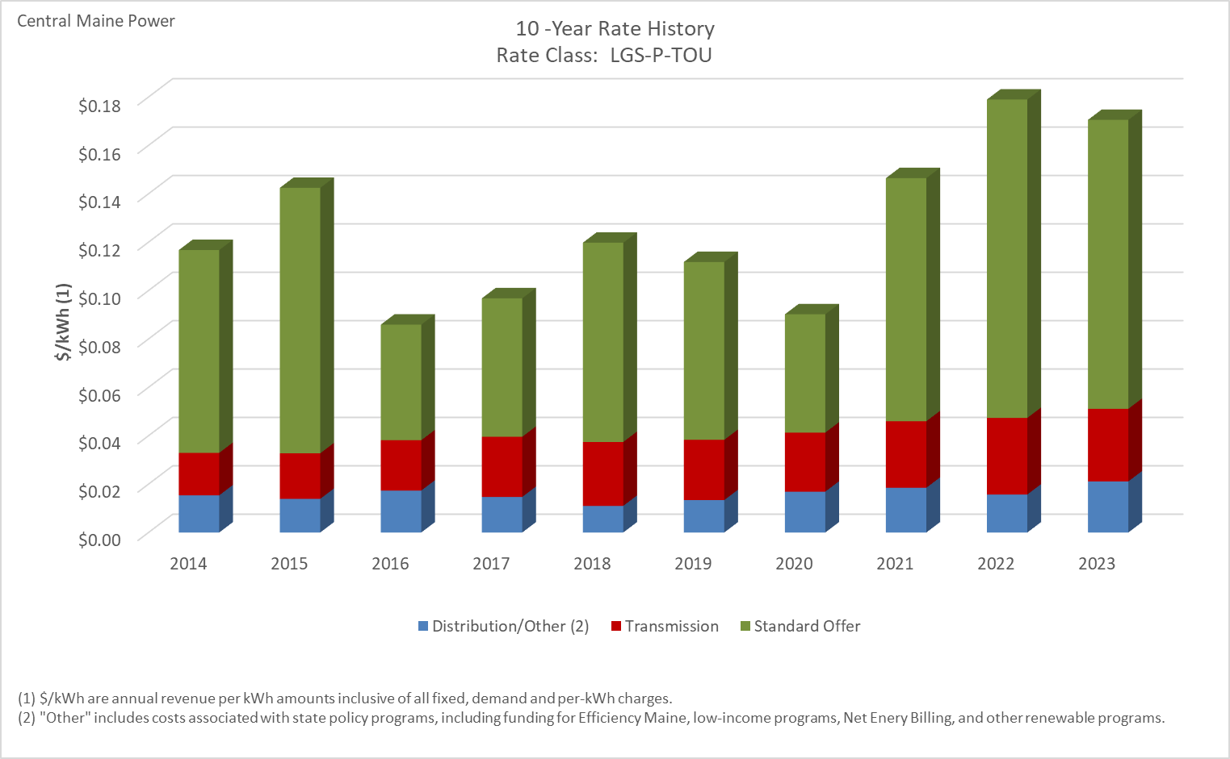

Distribution/Other rates increased 37.42% from $0.01536 to $0.02111 between 2014 and 2023.
Transmission rates increased 70.95% from $0.01756 to $0.03002 between 2014 and 2023.
Standard offer rates increased 42.45% from $0.08382 to $0.11941 between 2014 and 2023.

Note: Source data Provided by utility in Docket No. 2019-00186

LGS-ST-TOU
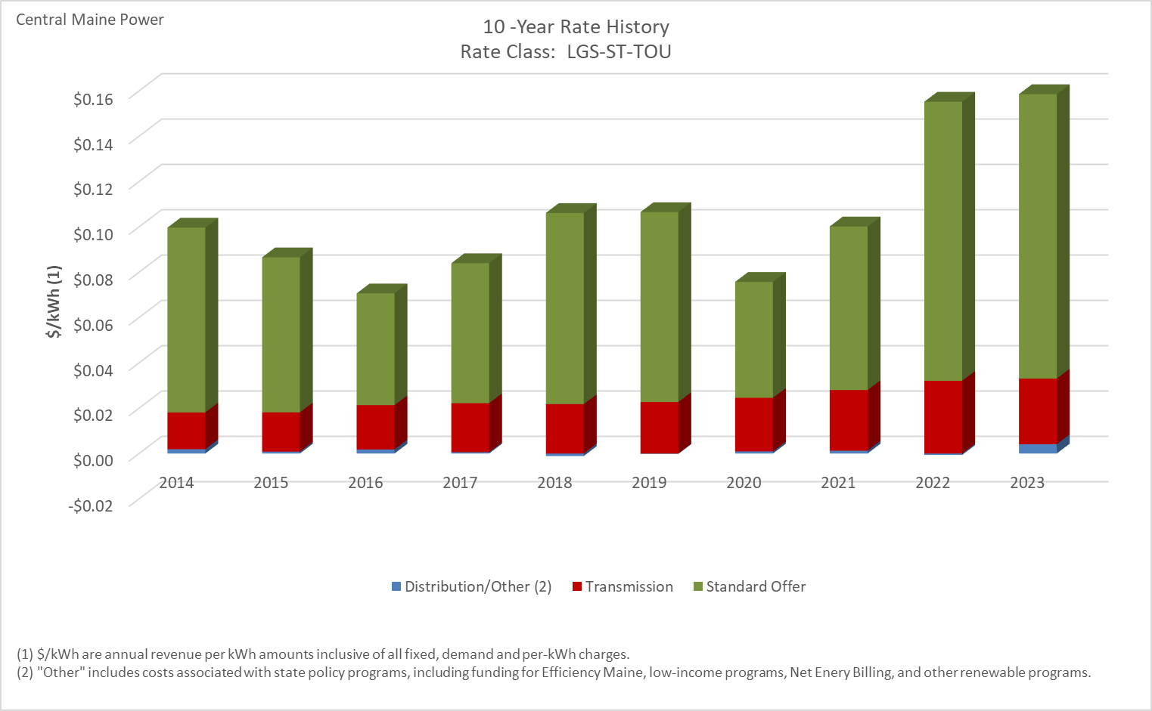

Distribution/Other rates increased 114.02% from $0.00191 to $0.00409 between 2014 and 2023.
Transmission rates increased 78.52% from $0.01623 to $0.02897 between 2014 and 2023.
Standard offer rates increased 53.90% from $0.08154 to $0.12548 between 2014 and 2023.

Note: Source data Provided by utility in Docket No. 2019-00186

LGS-T-TOU
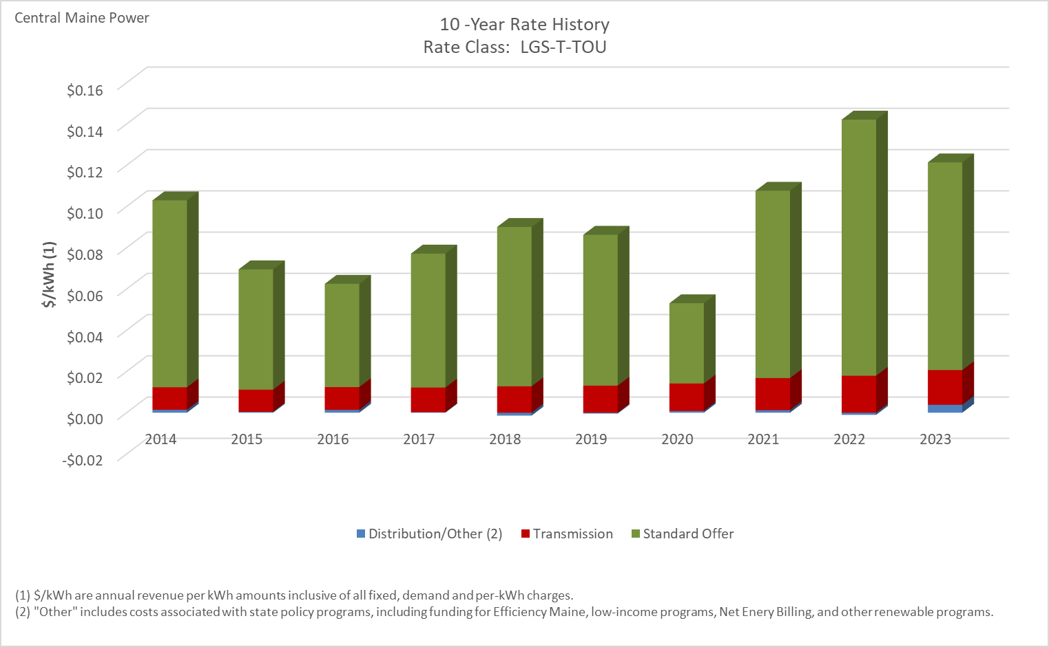

Distribution/Other rates increased 171.85% from $0.00141 to $0.00384 between 2014 and 2023.
Transmission rates increased 54.19% from $0.01090 to $0.01681 between 2014 and 2023.
Standard offer rates increased 11.11% from $0.09063 to $0.10070 between 2014 and 2023.

Note: Source data Provided by utility in Docket No. 2019-00186

Area Lighting
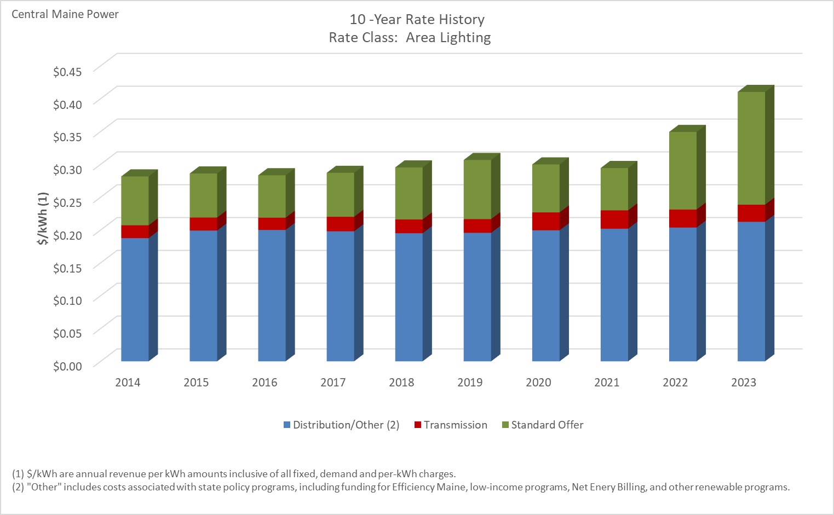

Distribution/Other rates increased 13.30% from $0.18760 to $0.21255 between 2014 and 2023.
Transmission rates increased 32.78% from $0.01956 to $0.02597 between 2014 and 2023.
Standard offer rates increased 130.85% from $0.07439 to $0.17172 between 2014 and 2023.

Note: Source data Provided by utility in Docket No. 2019-00186

Street Lighting
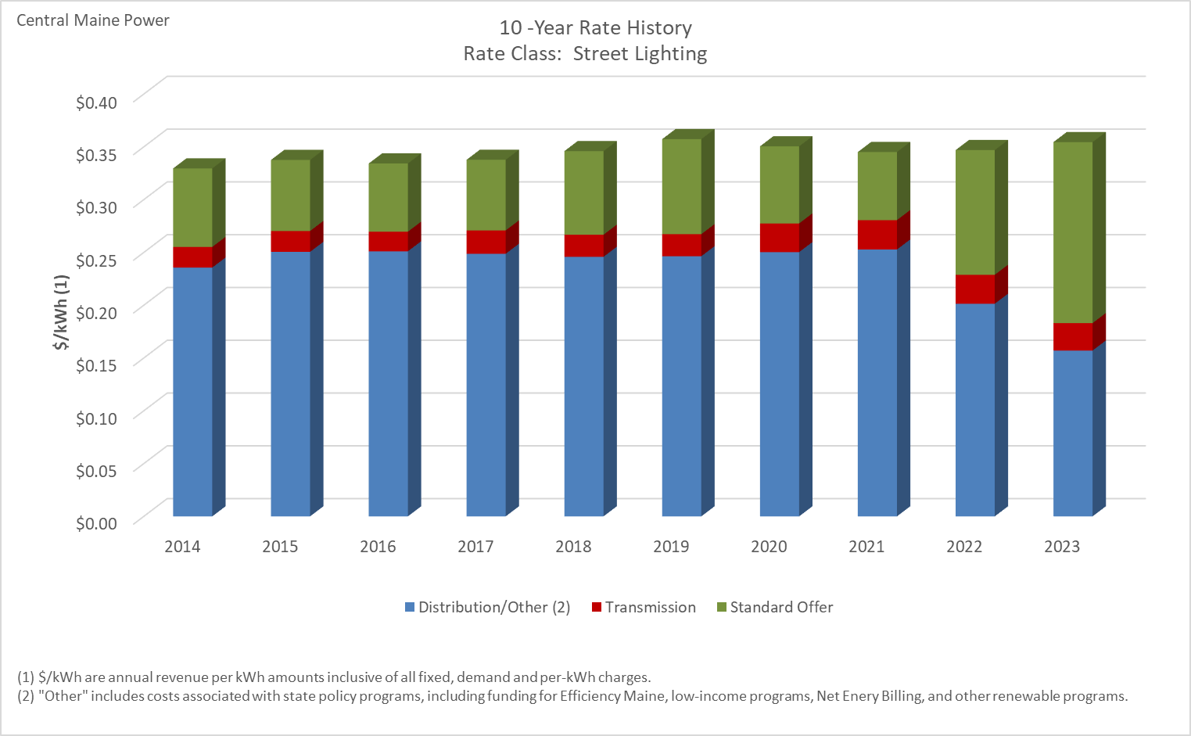

Distribution/Other rates decreased 33.35% from $0.23565 to $0.15706 between 2014 and 2023.
Transmission rates increased 32.78% from $0.01956 to $0.02597 between 2014 and 2023.
Standard offer rates increased 130.54% from $0.07438 to $0.17147 between 2014 and 2023.

Note: Source data Provided by utility in Docket No. 2019-00186

