Registration
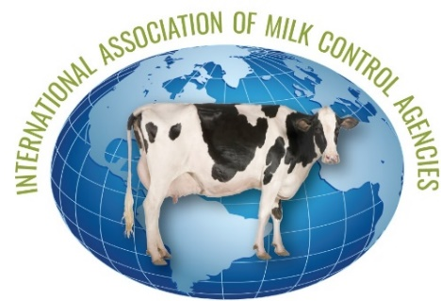
 |  | Registration Form
 | International Association of Milk Control Agencies
 |  | 87th Annual Meeting
 |  | September 17-19, 2023 - Freeport, Maine, USA

Registrant Information
Registrant Last Name | First Name | Telephone | Email Address

Companion Last Name | First Name

Youth Last Name(s) | First Name(s) | Age(s)

Mailing Address |  | City | State/Province | Postal Code | Country

Company/Organization |  |  | Arrival Date | Departure Date

By checking this box, I DO NOT consent to my name and contact information being published in an attendee roster.

Fees
 | Fees (U.S. Dollars) | # of Individuals | Amount
Participant | $475.00 |  | $- | Includes all meetings, meals, breaks, tours, and social events.
Lifetime Member - special rate | $250.00 |  | $-
Companion | $275.00 |  | $- | Includes all meals, breaks, and social events.
Youth under 18 years | $100.00 |  | $-
Single Day - September 18 | $175.00 |  | $- | Includes meetings, lunch, & breaks
Single Day -September 19 | $160.00 |  | $- | Includes , meetings, reception, and breaks
President's Reception only -Sept 17 | $40.00 |  | $- | Single tickets to social events.
Taste of Maine Dinner Event only - Sept 18 | $85.00 |  | $-
Reception and Banquet - The Harraseeket Inn - Sept 19 | $80.00 |  | $-
Research and Environment Tour only - Sept 18 | $75.00

 |  | Make checks payable (in U.S. Funds) to IAMCA | $-

Events (Please enter the number of individuals by attendee type attending each event)
Date | Time | Event | # Participant | # Companion | # Youth
Sunday, 17 September | 6:00 p.m - 8:00 p.m | President's reception
Monday, 18 September | 7:00 a.m. - 8:30 a.m. | Breakfast
 | 12:00 p.m. - 1:00 p.m. | Lunch
 | 1 PM to 9 P.M | Tour
Tuesday, 19 September | 7:00 a.m. - 8:30 a.m. | Breakfast
 | 12:00 p.m. - 1:00 p.m. | Lunch
 | 5:30 p.m. - 6:30 p.m. | Networking reception
 | 6:30 p.m. - 8:30 p.m. | Banquet

Please list any dietary restrictions:

To Register

This year's conference will be held at the Harraseeket Inn, 162 Main Street, Freeport, Maine. https://www.harraseeketinn.com/
A block of rooms is being held at a special conference rate of $179.00 single or double per night plus 8% state lodging tax. Rooms must be reserved by August 5, 2023 to receive this special rate, which extends for IAMCA attendees from Saturday, September 16, 2023 through and including Wednesday, September 20, 2023.
You may reserve your rooms by calling the hotel directly at 1-207-865-9377.
Remember to specify that you are attending the IAMCA conference, Group Code: Milk Commission or Maine Department of Agriculture, Conservation & Forestry.
Submit registrations to Christin Gravelle by 30 August 2023
Email: christin.gravelle@agriculture.ny.gov
Fax: 518-485-8730

Send payment by check or credit card
Mail checks (payable to IAMCA in US funds) to:
Christin Gravelle
New York State Department of Agriculture and Markets
10B Airline Drive, Albany NY 12235 USA

To pay by credit card, email Christin Gravelle

